EDP Operating Data Preview YE23
OPERATING DATA PREVIEW |  |  |  |  |  |  |  |  |  |  |  |  |  |  |  |  |  |  |  | OPERATING DATA PREVIEW
Lisbon, January 25th, 2024 |  |  |  |  |  |  |  |  |  |  |  |  |  |  |  |  |  |  |  | Lisbon, January 25th, 2024

KEY HIGHLIGHTS |  |  |  |  |  |  |  | INSTALLED CAPACITY |  |  |  |  |  |  |  |  |  |  |  | LOAD FACTORS |  |  |  |  |  |  |  |  |  |  |  | ENERGY DISTRIBUTION
Renewable generation increased 8% in 2023, representing 87% of EDP’s electricity generation mix vs. 74% in 2022. In Iberia the hydro generation, net of pumping, reached 8.2TWh, in line with historical average, vs. the extreme drought observed in 2022 (4TWh below avg). Note that by the end of December, hydro reservoir levels in Portugal stood at 78% (+22 p.p. above avg), representing a record level in the last 10 years for this time of the year, supporting hydro generation prospects for the start of 2024.
In 2023, EDP has added +2.7 GW of wind and solar capacity (including Solar DG in Europe and Brazil) to the global portfolio, reaching an installed capacity of 16.9 GW (EBITDA + Equity). EDP reached an installed capacity of 1.1 GW in Solar DG, accounting for around 36% of the total solar portfolio and representing an increase of 60% YoY (+0.4 GW vs. 2022).
Wind and Solar generation increased 4% YoY, as a result of higher installed capacity, which was mitigated by (i) lower wind resources in 2023 (-6% vs.LT avarege); (ii) growth in solar capacity which has a lower load factor compared to wind; and (iii) the asset rotation deals closed in mid 2023, amounting 0.4 GW. In addition, 1.7 GW of installed capacity were added to EDP's portfolio in the 4Q23, with generation contribution to ramp up throughout the begining of 2024.
During 2023, EDP closed three asset rotation transactions in Spain (July), Poland (October), and in Brazil (December).
Thermal generation decreased 54% YoY (coal -52% YoY, weight in generation mix down to 6% vs. 11% in 2022). Following the disposal of 80% of the 720 MW Pecém coal plant in Brazil in December, and the new 50%/50% partnership in Aboño Coal Plant in Spain (deconsolidated in December 2023), the weight of coal on total generation is expected to be immaterial in 2024 providing further visibility on the delivery of EDP’s commitment to become coal-free by 2025.
In energy supply Iberia, electricity volume sold decreased 10% YoY, reflecting mainly the decrease of volumes sold to industrial clients in Spain. On gas, volumes sold decreased 28% YoY.
Electricity distributed in 2023 grew by 5% in Brazil, of which electricity sold to final clients increased by 4%, showing a significant recovery over the second part of the year. In Portugal, distributed energy increased +1.1%.
EDP successfully securitized €2 billion of tariff deficit in December 2023.
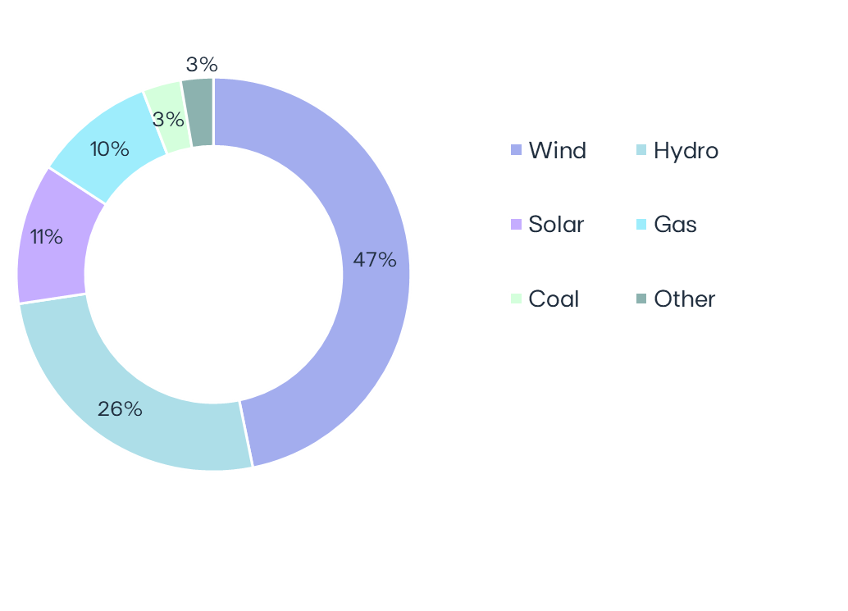
 |  |  |  |  |  |  |  | MW | Dec-23 | Dec-22 | ∆ | ∆% | U/C |  |  | Installed capacity | - |  |  |  | Load factors | 2023 | 2022 | 4Q23 | 4Q22 |  |  | Wind & Solar Production deviation vs. expected LT avg. Gross Capacity Factor | 2023 vs 2022 |  |  |  | Hydro resources deviation vs. historical avg. | 2023 vs. 2022 |  | Iberia |  | 2023 | 2022 | ∆ | ∆%
 |  |  |  |  |  |  |  | Wind | 12,672 | 12,136 | +536 | +4% | 922 |  |  | EBITDA + Equity MW |  |  |  | Wind | 29% | 31% | 33% | 33% |  |  |  |  |  |  |  |  | Electricity distributed (GWh) |  | 58,655 | 58,780 | -125 | -0.2%
 |  |  |  |  |  |  |  | North America | 6,911 | 6,175 | +736 | +12% | 0 |  |  |  |  |  |  | North America | 30% | 33% | 32% | 35% |  |  |  |  |  |  |  |  | Portugal |  | 45,978 | 45,494 | +483 | +1.0%
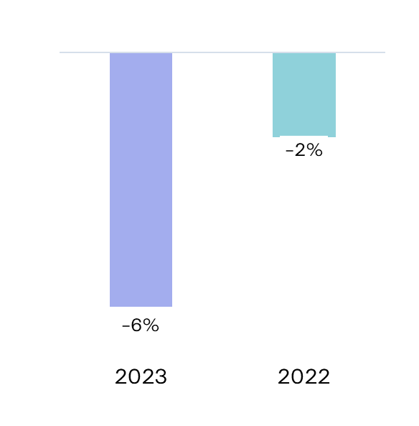
 |  |  |  |  |  |  |  | Europe | 4,930 | 5,050 | -121 | -2% | 90 |  |  |  |  |  |  | Europe | 26% | 26% | 32% | 29% |  |  |  |  |  |  |  |  | Spain |  | 12,677 | 13,286 | -609 | -5%
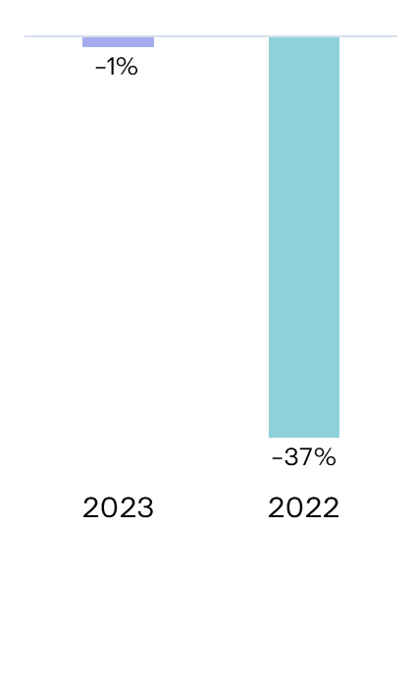
 |  |  |  |  |  |  |  | South America & APAC | 832 | 910 | -79 | -9% | 833 |  |  |  |  |  |  | South America & APAC | 45% | 43% | 50% | 45%
 |  |  |  |  |  |  |  | Hydro | 6,921 | 6,929 | -8 | -0% | - |  |  |  |  |  |  | Hydro |  |  |  |  |  |  |  |  |  |  |  |  | Customers connected (th) |  | 7,875 | 7,808 | +67 | +1%
 |  |  |  |  |  |  |  | Iberia (1) | 5,520 | 5,527 | -8 | -0% | - |  |  |  |  |  |  | Iberia(1) | 20% | 12% | 33% | 20% |  |  |  |  |  |  |  |  | Portugal |  | 6,484 | 6,425 | +60 | +1%
 |  |  |  |  |  |  |  | Brazil | 1,401 | 1,401 |  |  | - |  |  |  | 28.9 GW |  |  | Brazil | 35% | 47% | 33% | 50% |  |  |  |  |  |  |  |  | Spain |  | 1,391 | 1,383 | +7 | +1%
 |  |  |  |  |  |  |  | Solar (2) | 3,151 | 1,674 | +1,477 | +88% | 2,797 |  |  |  |  |  |  | Solar | 24% | 19% | 21% | 18%
 |  |  |  |  |  |  |  | North America | 902 | 475 | +427 | +90% | 2,074 |  |  |  |  |  |  | North America | 28% | 25% | 21% | 19%
83% Renewables
 |  |  |  |  |  |  |  | Europe | 840 | 227 | +612 | +269% | 404 |  |  |  |  |  |  | Europe | 15% | 16% | 11% | 10% |  |  |  |  |  |  |  |  | Brazil |  | 2023 | 2022 | ∆ | ∆%
 |  |  |  |  |  |  |  | South America & APAC | 1,409 | 971 | +438 | +45% | 319 |  |  |  |  |  |  | South America & APAC | 23% | 18% | 21% | 18% |  |  |  |  |  |  |  |  | Electricity distributed (GWh) |  | 27,778 | 26,491 | +1,286 | +5%
 |  |  |  |  |  |  |  | o/w Solar DG (3) | 1,124 | 700 | +424 | +60% | - |  |  |  |  |  |  | Gas Iberia | 16% | 36% | 11% | 33% |  |  |  |  |  |  |  |  | Final customers |  | 14,306 | 13,754 | +553 | +4%
 |  |  |  |  |  |  |  | Gas Iberia | 2,886 | 2,886 |  |  |  |  |  |  |  |  |  | Coal |  |  |  |  |  |  |  |  |  |  |  |  | Access customers |  | 13,471 | 12,737 | +734 | +6%
 |  |  |  |  |  |  |  | Coal | 916 | 2,540 | -1,624 | -64% |  |  |  | Capacity evolution | YoY |  |  |  | Iberia | 40% | 43% | 39% | 29% |  |  |  |  |  |  |  |  |  |  | 0 | 0 | 0 | 0.0%
 |  |  |  |  |  |  |  | Iberia | 916 | 1,820 | -904 | -50% |  |  |  | EBITDA + Equity MW |  |  |  | Brazil | 0% | 0% | 0% | 0% |  |  |  |  |  |  |  |  | Customers connected (th) |  | 3,883 | 3,775 | +108 | +3%
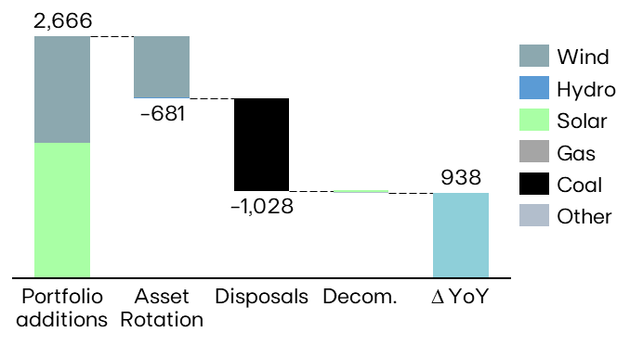
 |  |  |  |  |  |  |  | Brazil | 0 | 720 | -720 | -100% |  |  |  |  |  |  |  | Other(2) | 86% | 79% | 76% | 65% |  |  |  |  |  |  |  |  | EDP São Paulo |  | 2,155 | 2,080 | +75 | +4%
 |  |  |  |  |  |  |  | Other (4) | 17 | 23 | -5 | -24% |  |  |  |  |  |  |  | (1) Includes small-hydro; (2) Cogeneration & Waste |  |  |  |  |  |  |  |  |  |  |  |  | EDP Espírito Santo |  | 1,728 | 1,695 | +33 | +2%
 |  |  |  |  |  |  |  | EBITDA MW | 26,564 | 26,187 | +376 | +1% | 3,719
 |  |  |  |  |  |  |  | Equity MW (5) | 2,382 | 1,821 | +561 | +31% | 729
 |  |  |  |  |  |  |  | EBITDA + Equity MW | 28,946 | 28,008 | +938 | +3% | 4,448
 |  |  |  |  |  |  |  | (1) Includes small-hydro; (2) Solar capacity and solar load factors reported in MWac; (3) As-a-service capacity ; (4) Cogeneration & Waste; (5) Including attributable MWs in equity-method consolidated associates (mostly in wind offshore, hydro Brazil and wind & solar in Spain/US) and joint operations (Nuclear in Spain), and includes coal minority stakes in Brazil and Spain.
 |  |  |  |  |  |  |  |  |  |  |  |  |  |  |  |  |  |  |  | ENERGY SUPPLY |  |  |  |  |  |  |  |  |  |  |  | KEY ANNOUNCEMENTS

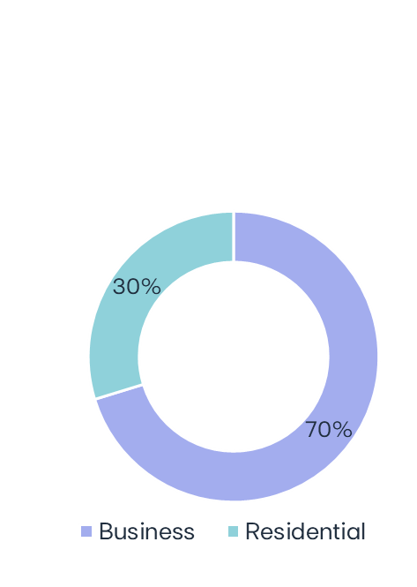
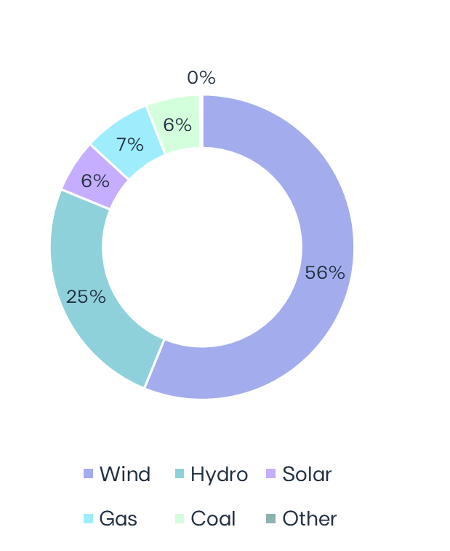
 |  |  |  |  |  |  |  | ELECTRICITY GENERATION (1) |  |  |  |  |  |  |  |  |  |  |  | Volumes supplied (GWh) |  |  |  |  | No. of Clients (th) |  |  |  | Volumes of electricity supplied in Iberia - Liberalized |
 |  |  |  |  |  |  |  |  |  |  |  |  |  |  |  |  |  |  |  |  | 2023 | 2022 | ∆% |  | Dec-23 | Dec-22 |  | ∆% |  |  |  |  | 02-oct-2023 | Ocean Winds sells minority stake in its 950 MW Moray East offshore project
 |  |  |  |  |  |  |  | GWh | 2023 | 2022 | ∆ | ∆% |  | 4Q23 | 4Q22 | ∆ | ∆% | Electricity Generation | Dec-23 |  |  |  |  |  |  |  |  |  |  |  |  |  |  | 12-oct-2023 | EDP completes Asset Rotation deal of a 300 MW renewable portfolio in Poland
 |  |  |  |  |  |  |  | Wind | 31,694 | 31,772 | -78 | -0% |  | 8,708 | 8,481 | +227 | +4% |  |  | Electricity Iberia | 29,597 | 32,794 | -10% |  | 4,699 | 4,909 |  | -4% |  |  |  |  | 16-oct-2023 | EDP secures a PPA for a 180 MW solar project in the US
 |  |  |  |  |  |  |  | North America | 16,270 | 17,883 | -1,614 | -9% |  | 4,419 | 4,760 | -341 | -7% |  |  | Portugal Liberalized | 17,097 | 17,733 | -4% |  | 3,753 | 3,916 |  | -4% |  |  |  |  | 18-oct-2023 | ANEEL approves tariff revision at EDP São Paulo for 2023-2027
MARKET INDICATORS |  |  |  |  |  |  |  | Europe | 11,395 | 11,700 | -304 | -3% |  | 3,293 | 3,130 | +163 | +5% |  |  | Portugal Regulated | 3,015 | 2,817 | +7% |  | 927 | 973 |  | -5% |  |  |  |  | 27-oct-2023 | Conversion of Aboño to gas under a new partnership and closure request
 |  |  |  |  |  |  |  | South America & APAC | 4,029 | 2,189 | +1,840 | +84% |  | 995 | 590 | +405 | +69% |  |  | Spain | 9,485 | 12,244 | -23% |  | 19 | 20 |  | -6% |  |  |  |  |  | of remaining 2 coal plants in Spain
 | Iberian market |  |  |  | 2023 | 2022 | ∆% | Hydro | 14,099 | 11,775 | +2,323 | +20% |  | 5,024 | 4,028 | +996 | +25% |  |  |  |  |  |  |  |  |  |  |  |  | 26.6 TWh |  |  | 01-nov-2023 | Asset rotation deal of transmission lines in Brazil
 | Average electricity spot price - Spain |  |  | €/MWh | 87.1 | 167.5 | -48% | Iberia(2) | 9,805 | 6,044 | +3,761 | +62% |  | 4,001 | 2,477 | +1,523 | +61% |  |  |  |  |  |  |  |  |  |  |  |  |  |  |  | 15-dec-2023 | ERSE announces electricity tariffs for 2024
 | Hydro coefficient - Portugal |  |  | 1.0 = avg. Year | 0.99 | 0.63 | 57% | Brazil | 4,294 | 5,731 | -1,437 | -25% |  | 1,023 | 1,551 | -528 | -34% |  | 56.4 TWh | Gas Iberia | 5,025 | 6,997 | -28% |  | 591 | 631 |  | -6% |  |  |  |  | 18-dec-2023 | EDP agrees to sell €898 million in securitization of portuguese tariff deficit
 | Hydro coefficient - Spain |  |  | 1.0 = avg. Year | 0.90 | 0.70 | 29% | Solar | 3,176 | 1,782 | +1,394 | +78% |  | 759 | 574 | +185 | +32% |  |  | Portugal Liberalized | 2,172 | 3,518 | -38% |  | 480 | 551 |  | -13% |  |  |  |  | 21-dec-2023 | EDP agrees to sell Portuguese tariff deficit for €1.1 billion
 | Brazilian market |  |  |  |  |  |  | North America | 1,037 | 479 | +558 | +117% |  | 223 | 178 | +45 | +25% |  |  | Portugal Regulated | 392 | 195 | +101% |  | 108 | 77 |  | +40% |  |  |  |  | 22-dec-2023 | EDP concludes sale of 80% of the pecém coal-fired power plant in Brazil
87% Renewables
 | Average spot price (PLD) |  |  | R$/MWh | 72 | 59 | 22% | Europe | 394 | 168 | +226 | +134% |  | 91 | 26 | +65 | +248% |  |  | Spain | 2,460 | 3,284 | -25% |  | 3 | 4 |  | -22% |  |  |  |  | 29-dec-2023 | Sale of EDP’s stake in CEM Macau
 | Generation Scalling Factor (GSF) (1) |  |  | % | 90% | 86% | +4% | South America & APAC | 1,746 | 1,135 | +611 | +54% |  | 445 | 370 | +75 | +20% |  |  |  |  |  |  |  |  |  |  |  |  |  |  |  | 29-dec-2023 | EDP buys back 49% stake in 1GW wind portfolio in Portugal, Poland and Italy for €0.57bn
 | Exchange rates |  |  |  |  |  |  | Gas Iberia | 4,047 | 9,033 | -4,987 | -55% |  | 688 | 2,119 | -1,431 | -68% |  |  |  |  |  |  |  |  |  |  |  |  |  |  |  | 30-dec-2023 | EDP completes asset rotation deal of a 260 MW wind portfolio in Brazil
 | EUR/USD | - | Average |  | 1.08 | 1.05 | -3% | Coal | 3,249 | 6,830 | -3,581 | -52% |  | 855 | 1,180 | -325 | -28%
 | EUR/BRL | - | Average |  | 5.40 | 5.43 | +1% | Iberia | 3,188 | 6,826 | -3,638 | -53% |  | 795 | 1,180 | -386 | -33% |  |  | RESULTS RELEASE
 | EUR/USD | - | End of period |  | 1.10 | 1.06 | -3% | Brazil | 61 | 4 | +57 |  |  | 61 | 0 | +61 | -
 | EUR/BRL | - | End of period |  | 5.36 | 5.63 | +5% | Other (3) | 130 | 158 | -28 | -18% |  | 29 | 33 | -3 | -10% |  |  | EDP's YE23 results will be released on February 29th, 2024. A conference call will be hosted by EDP's CEO, Mr. Miguel Stilwell d'Andrade and EDP's CFO, Mr. Rui Teixeira, on the day after, at 11:30 am GMT. More information will be available on www.edp.com.
 | (1) Weighted average |  |  |  |  |  |  | Total | 56,395 | 61,351 | -4,956 | -8% |  | 16,062 | 16,415 | -352 | -2%
 |  |  |  |  |  |  |  | (1) Includes generation assets with controlling stakes, excludes equity MWs; (2) Includes small-hydro; (3) Cogeneration & Waste

