EN Horizontal
OPERATING DATA PREVIEW |  |  |  |  |  |  |  |  |  |  |  |  |  |  |  |  |  |  |  |  | OPERATING DATA PREVIEW
Lisbon, October 17th, 2024 |  |  |  |  |  |  |  |  |  |  |  |  |  |  |  |  |  |  |  |  | Lisbon, October 17th, 2024

KEY HIGHLIGHTS |  |  |  |  |  |  |  | INSTALLED CAPACITY |  |  |  |  |  |  |  |  |  |  |  |  | ELECTRICITY GENERATION (1) |  |  |  |  |  |  |  |  |  |  |  |  |  |  |  |  |  |  | ENERGY DISTRIBUTION
EDP's renewables generation increased by 18% in 9M24 to 40.5 TWh, representing 97% of total electricity generation reflecting our ambition to be All Green by 2030.
Hydro generation increased by 52% YoY to 13.6 TWh, 2.8 TWh above expectations for the period in Iberia, supported by strong rainfall in 9M24 (hydro generation in Portugal 33% above historical average in 9M24 vs. 21% below avg. in 9M23). Hydro pumping generation rose +19% YoY to 1.4 TWh in 9M24, supported by increased hourly electricity price volatility. By the end of September, hydro reservoir levels in Portugal stood at 61%, below September 2023 but +11p.p. above historical average for this period.
In the last 12 months, EDP added +3.2 GW of wind and solar capacity, reaching a Wind and Solar installed capacity of 17.3 GW (EBITDA + Equity) in September 2024, an increase of +12% or +1.9 GW YoY. EDP reached an installed capacity of 1.4 GW in solar DG, accounting for 31% of total solar installed capacity in 9M24 and representing an increase of 39% (EBITDA+ Equity) YoY.
During 9M24, EDP’s installed capacity was impacted by 3 asset rotation deals: In 1Q24 two deals one in US and other in Canada, and in 2Q24 one deal in Italy. In 3Q24 signed an asset rotation deals in Poland.
Wind and Solar generation increased 6%, supported by 78% YoY increase of solar generation, following the strong growth of installed capacity, which represents 75% of the last 12 month’s gross additions. The weight of solar in the technology mix increased from 6% in 9M23 total generation to 10% in 9M24. Wind generation decreased 2% YoY, mainly impacted by South America, as the recovery of wind resources in US and Europe was offset by weak wind resources in Brazil, the impact of 3 asset rotation deals in Spain, Poland and Brazil closed in 2H23 .
In 3Q24, EDP’s integrated client solutions and energy management activity benefited from recovery of electricity spot price in Iberia, strongly increasing from 39€/MWh in 1H24 to 79€/MWh in 3Q24 and slightly above average hydro generation volumes.
Thermal generation fell by 77% YoY, -97% YoY in coal and -63% YoY in gas, due to the lower thermal capacity load factors in Iberia supported by the disposal of 80% of Pecém coal plant in Brazil and 50/50 JV at Aboño coal plant in Spain (-1.6GW), reflecting our commitment to be coal free by 2025.
In the supply business, in Iberia, electricity volume sold decreased 9% YoY, reflecting mainly the decrease of volumes sold to business clients in Spain and decrease in the number of clients in Portugal. On gas, volumes sold decreased 12% YoY.
In Brazil, electricity distributed increased by 10% YoY, driven by the high temperatures and the number of customers connected increased by 2% YoY. In electricity distribution in Iberia, electricity distributed increased by 2% YoY and customers connected increased by 1% YoY.
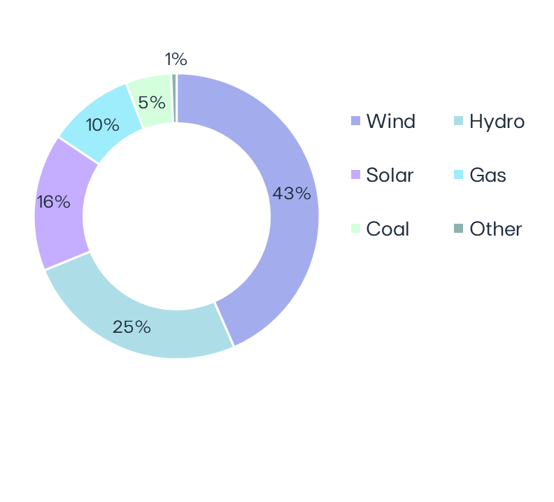
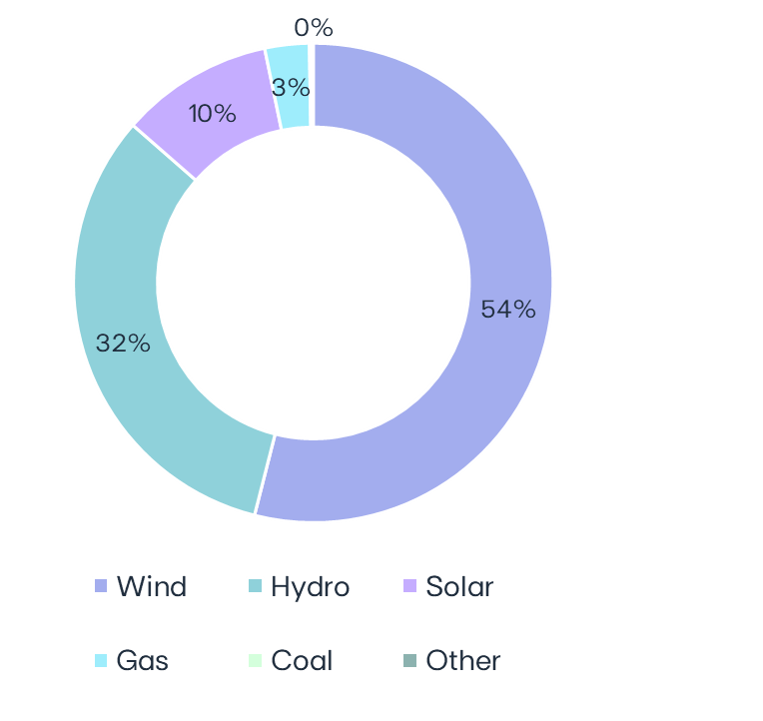
 |  |  |  |  |  |  |  | EBITDA MW |  |  | Sep-24 | Sep-23 | ∆ | ∆% | U/C |  | Installed capacity | Sep-24 |  |  |  | GWh |  | 9M24 |  | 9M23 |  | ∆ |  | ∆% |  | 3Q24 |  | 3Q23 |  | ∆ | ∆% | Electricity Generation | Sep-24 |  |  | Iberia |  | 9M24 | 9M23 | ∆ | ∆%
 |  |  |  |  |  |  |  | Wind Onshore |  |  | 11,904 | 11,879 | +25 | +0% | 1,199 |  | EBITDA + Equity MW |  |  |  | Wind Onshore |  | 22,584 |  | 22,957 |  | -374 |  | -2% |  | 5,987 |  | 6,345 |  | -358 | -6% |  |  |  | Electricity distributed (GWh) |  | 44,569 | 43,613 | +955 | +2%
 |  |  |  |  |  |  |  | North America |  |  | 6,363 | 6,172 | +191 | +3% |  |  |  |  |  |  | North America |  | 12,852 |  | 11,850 |  | +1,002 |  | +8% |  | 3,046 |  | 3,034 |  | +13 | +0% |  |  |  | Portugal |  | 34,684 | 34,141 | +543 | +2%
 |  |  |  |  |  |  |  | Europe |  |  | 4,710 | 4,796 | -86 | -2% | 371 |  |  |  |  |  | Europe |  | 7,883 |  | 8,073 |  | -190 |  | -2% |  | 2,115 |  | 2,279 |  | -164 | -7% |  |  |  | Spain |  | 9,885 | 9,473 | +412 | +4%
 |  |  |  |  |  |  |  | South America |  |  | 831 | 910 | -80 | -9% | 829 |  |  |  |  |  | South America |  | 1,848 |  | 3,034 |  | -1,185 |  | -39% |  | 825 |  | 1,032 |  | -207 | -20%
 |  |  |  |  |  |  |  | Hydro |  |  | 6,920 | 6,920 |  |  |  |  |  |  |  |  | Hydro |  | 13,599 |  | 8,967 |  | +4,632 |  | +52% |  | 2,488 |  | 1,796 |  | +693 | +39% |  |  |  | Customers connected (th) |  | 7,922 | 7,863 | +59 | +1%
 |  |  |  |  |  |  |  | Iberia (1) |  |  | 5,520 | 5,520 |  |  |  |  |  | 29.4 GW |  |  | Iberia(2) |  | 9,306 |  | 5,638 |  | +3,668 |  | +65% |  | 1,521 |  | 929 |  | +591 | +64% |  | 41.9 TWh |  | Portugal |  | 6,526 | 6,475 | +51 | +1%
 |  |  |  |  |  |  |  | Brazil |  |  | 1,401 | 1,401 |  |  |  |  |  |  |  |  | Brazil |  | 4,293 |  | 3,329 |  | +964 |  | +29% |  | 967 |  | 866 |  | +101 | +12% |  |  |  | Spain |  | 1,396 | 1,388 | +8 | +1%
 |  |  |  |  |  |  |  | Solar utility Scale(2) |  |  | 2,920 | 1,469 | +1,451 | +99% | 1,966 |  |  |  |  |  | Solar utility Scale |  | 3,190 |  | 1,642 |  | +1,548 |  | +94% |  | 1,381 |  | 626 |  | +755 | +121%
84% Renewables
97%
Renewables
 |  |  |  |  |  |  |  | North America |  |  | 1,414 | 390 | +1,024 | +262% | 1,130 |  |  |  |  |  | North America |  | 1,471 |  | 599 |  | +872 |  | +146% |  | 680 |  | 214 |  | +465 | +217% |  |  |  | Brazil |  | 9M24 | 9M23 | ∆ | ∆%
 |  |  |  |  |  |  |  | Europe |  |  | 540 | 504 | +36 | +7% | 705 |  |  |  |  |  | Europe |  | 640 |  | 171 |  | +469 |  | +275% |  | 301 |  | 100 |  | +201 | +200% |  |  |  | Electricity distributed (GWh) |  | 22,279 | 20,314 | +1,964 | +10%
 |  |  |  |  |  |  |  | South America & APAC |  |  | 966 | 575 | +391 | +68% | 132 |  |  |  |  |  | South America & APAC |  | 1,079 |  | 872 |  | +207 |  | +24% |  | 400 |  | 293 |  | +107 | +36% |  |  |  | Final customers |  | 11,110 | 10,446 | +665 | +6%
 |  |  |  |  |  |  |  | Solar DG & Storage (3) |  |  | 1,396 | 1,006 | +390 | +39% | 248 |  |  |  |  |  | Solar DG |  | 1,124 |  | 786 |  | +337 |  | +43% |  | 423 |  | 327 |  | +96 | +29% |  |  |  | Access customers |  | 11,168 | 9,869 | +1,299 | +13%
 |  |  |  |  |  |  |  |  | North America |  | 314 | 261 | +53 | +21% | 181 |  |  |  |  |  | North America |  | 247 |  | 215 |  | +32 |  | +15% |  | 78 |  | 95 |  | -17 | -18%
 |  |  |  |  |  |  |  |  | Europe |  | 316 | 211 | +105 | +50% |  |  |  |  |  |  | Europe |  | 199 |  | 143 |  | +56 |  | +39% |  | 76 |  | 60 |  | +16 | +26% |  |  |  | Customers connected (th) |  | 3,925 | 3,848 | +78 | +2%
 |  |  |  |  |  |  |  |  | South America |  | 191 | 74 | +117 | +159% |  |  | Capacity evolution | YoY |  |  |  | South America |  | 165 |  | 72 |  | +94 |  | +131% |  | 76 |  | 31 |  | +45 | +143% |  |  |  | EDP São Paulo |  | 2,170 | 2,129 | +41 | +2%
 |  |  |  |  |  |  |  |  | APAC |  | 575 | 460 | +114 | +25% | 67 |  | EBITDA + Equity MW |  |  |  | APAC |  | 513 |  | 357 |  | +156 |  | +44% |  | 192 |  | 140 |  | +52 | +37% |  |  |  | EDP Espírito Santo |  | 1,755 | 1,719 | +36 | +2%
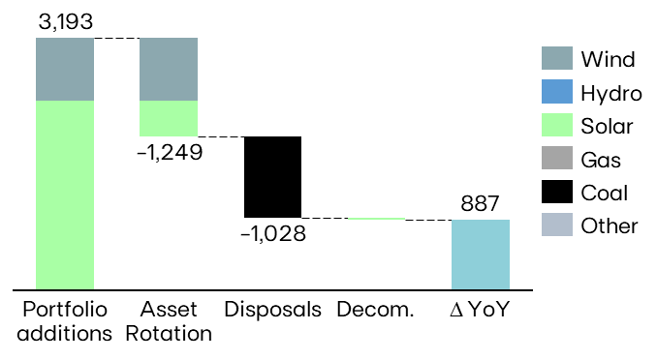
 |  |  |  |  |  |  |  | Gas Iberia |  |  | 2,886 | 2,886 |  |  |  |  |  |  |  |  | Gas Iberia |  | 1,258 |  | 3,359 |  | -2,102 |  | -63% |  | 651 |  | 1,222 |  | -572 | -47%
 |  |  |  |  |  |  |  | Coal |  |  | 916 | 2,540 | -1,624 | -64% |  |  |  |  |  |  | Coal |  | 80 |  | 2,394 |  | -2,314 |  | -97% |  | 44 |  | 751 |  | -707 | -94%
 |  |  |  |  |  |  |  | Iberia |  |  | 916 | 1,820 | -904 | -50% |  |  |  |  |  |  | Iberia |  | 80 |  | 2,394 |  | -2,314 |  | -97% |  | 44 |  | 751 |  | -707 | -94%
 |  |  |  |  |  |  |  | Brazil |  |  | 0 | 720 | -720 | -100% |  |  |  |  |  |  | Brazil |  | 0 |  | 0 |  | - |  |  |  | 0 |  | 0 |  | -
 |  |  |  |  |  |  |  | Other (4) |  |  | 17 | 17 |  |  |  |  |  |  |  |  | Other (3) |  | 29 |  | 101 |  | -72 |  | -72% |  | 10 |  | 15 |  | -5 | -33%
 |  |  |  |  |  |  |  | EBITDA MW |  |  | 26,960 | 26,718 | +242 | +1% | 3,414 |  |  |  |  |  | Total |  | 41,862 |  | 40,206 |  | 1,656 |  | +4% |  | 10,982 |  | 11,082 |  | -99 | -1%
 |  |  |  |  |  |  |  | Equity MW (5) |  |  | 2,431 | 1,786 | +644 | +36% | 729 |  |  |  |  |  | (1) Includes generation assets with controlling stakes, excludes equity MWs; (2) Includes small-hydro; (3) Cogeneration
 |  |  |  |  |  |  |  | EBITDA + Equity MW |  |  | 29,391 | 28,504 | +887 | +3% | 4,143
 |  |  |  |  |  |  |  | (1) Includes small-hydro; (2) Solar capacity and solar load factors reported in MWac; (3) As-a-service capacity ; (4) Cogeneration ; (5) Including attributable MWs in equity-method consolidated associates (mostly in wind offshore, hydro Brazil and wind & solar in Spain/US) and joint operations (Nuclear in Spain), and includes coal minority stakes in Brazil and Spain.

 |  |  |  |  |  |  |  | LOAD FACTORS |  |  |  |  |  |  |  |  |  |  |  |  |  | ENERGY SUPPLY |  |  |  |  |  |  |  |  |  |  |  |  |  |  |  |  |  | KEY OPERATIONAL ANNOUNCEMENTS

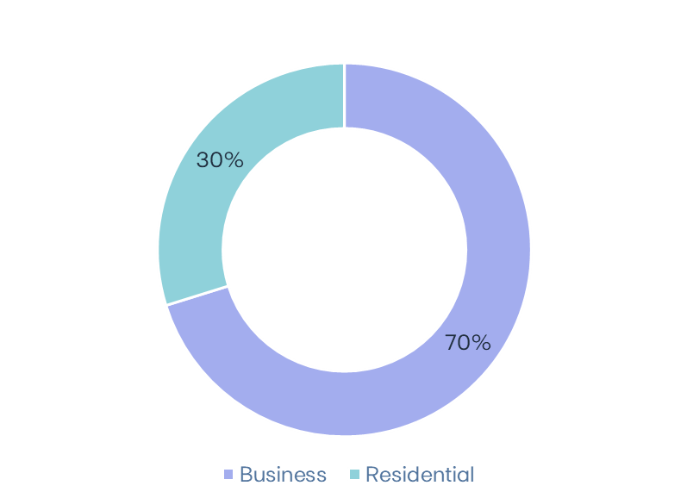
 |  |  |  |  |  |  |  |  |  |  |  |  |  |  |  | Wind & Solar Production deviation vs. expected LT avg. Gross Capacity Factor | 9M24 vs 9M23 |  |  | Hydro resources deviation vs. historical avg. | 9M24 vs 9M23 |  |  | Volumes supplied (GWh) |  |  |  |  |  |  |  | No. of Clients (th) |  |  |  |  |  | Volumes of electricity supplied in Iberia - Liberalized | 9M24 |  |  |  | 01-apr-2024 | EDP Brasil awarded with 3 lots in Electricity Transmission Auction
 |  |  |  |  |  |  |  |  |  |  |  |  |  |  |  |  |  |  |  |  |  |  |  | 9M24 |  | 9M23 |  | ∆% |  | Sep-24 |  | Sep-23 |  | ∆% |  |  |  |  |  | 02-apr-2024 | EDP secures around 100 MW of storage capacity in the US
MARKET INDICATORS |  |  |  |  |  |  |  |  |  |  |  |  |  |  |  |  |  |  |  |  |  |  |  |  |  |  |  |  |  |  |  |  |  |  |  |  |  |  |  | 18-apr-2024 | EDP completes asset rotation deal for a 297 MW wind project in Canada
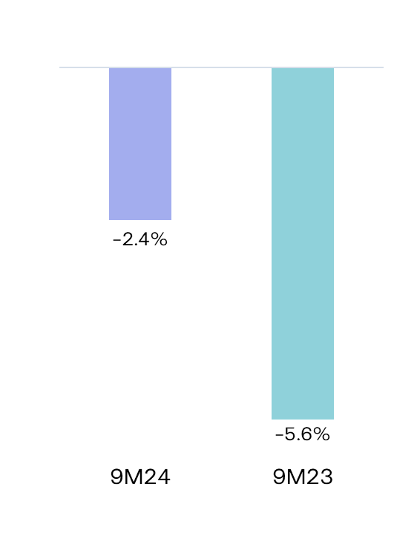
 |  |  |  |  |  |  |  | Load factors |  |  | 9M24 | 9M23 | 3Q24 | 3Q23 |  |  |  |  |  |  |  | Electricity Iberia |  | 20,154 |  | 22,226 |  | -9% |  | 4,424 |  | 4,774 |  | -7% |  |  |  |  |  | 06-may-2024 | Ocean Winds awarded feasibility license to develop up to 1.3 GW of offshore wind in Australia
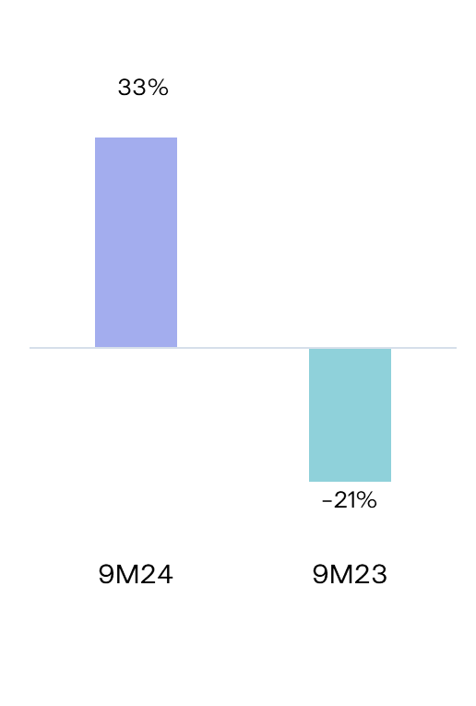
Iberian market |  |  |  | 9M24 | 9M23 | ∆% |  | Wind Onshore |  |  | 28% | 28% | 23% | 24% |  |  |  |  |  |  |  | Portugal Liberalized |  | 11,925 |  | 12,673 |  | -6% |  | 3,536 |  | 3,815 |  | -7% |  |  |  |  |  | 07-may-2024 | Ocean Winds completes sale of minority stake in its 950 MW Moray East offshore project
Average electricity spot price - Spain |  |  | €/MWh | 52.4 | 91.1 | -42% |  | North America |  |  | 30% | 29% | 21% | 22% |  |  |  |  |  |  |  | Portugal Regulated |  | 1,970 |  | 2,243 |  | -12% |  | 870 |  | 941 |  | -8% |  |  |  |  |  | 11-jun-2024 | Long-Term contract secured for 75 MW of Storage in Canada
Hydro coefficient - Portugal |  |  | 1.0 = avg. Year | 1.33 | 0.79 | 68% |  | Europe |  |  | 25% | 25% | 21% | 21% |  |  |  |  |  |  |  | Spain |  | 6,259 |  | 7,310 |  | -14% |  | 19 |  | 19 |  | +0% |  |  | 18.2 TWh |  |  | 17-jun-2024 | Completion of CEM Macau disposal
Hydro coefficient - Spain |  |  | 1.0 = avg. Year | 1.30 | 0.70 | 86% |  | South America |  |  | 37% | 43% | 47% | 51% |  |  |  |  |  |  |  |  |  |  |  |  |  |  |  |  |  |  |  |  |  |  |  |  |  | 24-jun-2024 | EDP informs on the publication of the decree to extend electricity distribution concessions in Brazil
Brazilian market |  |  |  |  |  |  |  | Hydro |  |  | 30% | 20% | 16% | 12% |  |  |  |  |  |  |  | Gas Iberia |  | 3,363 |  | 3,828 |  | -12% |  | 570 |  | 598 |  | -5% |  |  |  |  |  | 25-jun-2024 | EDP secures 133 MW of solar capacity in Europe
Average spot price (PLD) |  |  | R$/MWh | 98 | 70 | 40% |  | Iberia(1) |  |  | 26% | 16% | 12% | 8% |  |  |  |  |  |  |  | Portugal Liberalized |  | 1,215 |  | 1,666 |  | -27% |  | 458 |  | 488 |  | -6% |  |  |  |  |  | 29-jun-2024 | EDP signs Asset Rotation deal for a 191 MW renewables portfolio in Italy
Generation Scalling Factor (GSF) (1) |  |  | % | 89% | 92% |  | -3% | Brazil |  |  | 47% | 36% | 31% | 28% |  |  |  |  |  |  |  | Portugal Regulated |  | 358 |  | 321 |  | +12% |  | 109 |  | 107 |  | +1% |  |  |  |  |  | 10-jul-2024 | EDP informs about PPA secured for 150 MWac solar project in US
Exchange rates |  |  |  |  |  |  |  | Solar Utility Scale |  |  | 23% | 25% | 20% | 25% |  |  |  |  |  |  |  | Spain |  | 1,790 |  | 1,842 |  | -3% |  | 3 |  | 3 |  | -2% |  |  |  |  |  | 15-jul-2024 | EDP informs about PPA secured for 100 MWac solar project in US
EUR/USD | - | Average |  | 1.09 | 1.08 | -0% |  | Solar DG |  |  | 14% | 14% | 14% | 14% |  |  |  |  |  |  |  |  |  |  |  |  |  |  |  |  |  |  |  |  |  |  |  |  |  | 17-jul-2024 | EDP informs on the completion of Asset Rotation deal for a 191 MW renewables portfolio in Italy
EUR/BRL | - | Average |  | 5.70 | 5.42 | -5% |  | Gas |  |  | 7% | 18% | 10% | 19% |  |  |  |  |  |  |  |  |  |  |  |  |  |  |  |  |  |  |  |  |  |  |  |  |  | 23-jul-2024 | EDP informs about 24-year contract secured in the US for 200 MW of Storage
EUR/USD | - | End of period |  | 1.12 | 1.06 | -5% |  | Coal |  |  | 1% | 14% | 2% | 13% |  |  |  |  |  |  |  |  |  |  |  |  |  |  |  |  |  |  |  |  |  |  |  |  |  | 25-jul-2024 | EDP informs about PPA secured for 44 MW solar project in Japan
EUR/BRL | - | End of period |  | 6.05 | 5.31 | -12% |  | Other(2) |  |  | 25% | 89% | 26% | 40% |  |  |  |  |  |  |  |  |  |  |  |  |  |  |  |  |  |  |  |  |  |  |  |  |  | 02-aug-2024 | EDP informs about signing of Asset Rotation deal for a 240 MW renewables portfolio in Poland
(1) Weighted average |  |  |  |  |  |  |  | (1) Includes small-hydro; (2) Cogeneration
 |  |  |  |  |  |  |  |  |  |  |  |  |  |  |  |  |  |  |  |  | RESULTS RELEASE
 |  |  |  |  |  |  |  |  |  |  |  |  |  |  |  |  |  |  |  |  | EDP's 9M24 results will be released on November 7th, 2024. A conference call will be hosted by EDP's CEO, Mr. Miguel Stilwell d'Andrade and EDP's CFO, Mr. Rui Teixeira, on the following day at 08:30 GMT. More information will be available on www.edp.com.
Investor Relations Department | Phone: +351 21 001 28 34 | Email: ir@edp.com |  |  |  |  |  |  |  |  |  | www.edp.com |  |  |  |  |  |  |  |  |  | 1 | Investor Relations Department | Phone: +351 21 001 28 34 | Email: ir@edp.com |  |  |  |  |  |  |  |  |  |  |  |  |  |  |  |  |  | www.edp.com |  |  |  |  |  |  | 2

