EDP Operating Data Preview 9M23
OPERATING DATA PREVIEW |  |  |  |  |  |  |  |  |  |  |  |  |  |  |  |  |  |  |  | OPERATING DATA PREVIEW
Lisbon, October 17th, 2023 |  |  |  |  |  |  |  |  |  |  |  |  |  |  |  |  |  |  |  | Lisbon, October 17th, 2023

KEY HIGHLIGHTS |  |  |  |  |  |  |  | INSTALLED CAPACITY |  |  |  |  |  |  |  |  |  |  |  | LOAD FACTORS |  |  |  |  |  |  |  |  |  |  |  |  | ENERGY DISTRIBUTION
Renewables represented 85% of electricity generation mix in 9M23, a 7% increase YoY, with emphasis to the 58% YoY increase in hydro generation in Iberia (+21% in 3Q23). Note that by the end of September, hydro reservoir levels in Portugal stood at 69%, representing a record level (+16p.p. above average) in the last 10 years for this time of the year, supporting hydro generation prospects for the following months.
In the last 12 months, EDP has added +1.8 GW of wind and solar capacity to the global portfolio, reaching a Wind and Solar installed capacity of 15.4 GW (EBITDA + Equity) in September 2023, +6% or +0.9 GW YoY. EDP reached an installed capacity of 1 GW in Solar DG, accounting for around 40% of the total solar capacity portfolio in 9M23 and representing an increase of 78% YoY (+ 0.4 GW vs. 9M22).
Wind and Solar generation increased 4% YoY, as a result of higher installed capacity in Solar, despite lower wind & solar resources vs. 9M22, with Europe and North America representing 33% and 50% of total generation output, respectively. Generation in 9M23 in South America & APAC increased 83% YoY, driven by higher solar capacity in APAC. Moreover, the asset rotation plan for 2023 continues evolving positively, with 2 Asset rotation deals amounting to 0.4 GW of capacity rotated across Spain and Poland. Capital gains of such transactions will be accounted in 3Q23.
Thermal generation decreased 54% YoY (coal -58% YoY, weight in generation mix down to 6.0%), following the hydro recovery and renewables deployment. In Brazil, coal generation continued at zero in 9M23, and in September 2023 EDP reached an agreement for the disposal of 80% of the 720 MW Pecém coal plant, which will be deconsolidated post the financial closing of the transaction.
In energy supply Iberia, electricity volume sold decreased 10% YoY, reflecting mainly the decrease of volumes sold to business clients in Spain. On gas, volumes sold decreased 31% YoY.
Electricity distributed in 9M23 decreased 1% YoY in Iberia (+0.4% in Portugal) and increased 2% YoY in Brazil. Customers connected increased 1% YoY in Iberia and 3% YoY in Brazil.
The update of electricity access tariffs in Portugal since July 1st, and the €0.3bn sale of tariff deficit in September resulted in the deceleration of regulatory receivables' growth in Portugal in 3Q23. ERSE’s proposal for electricity tariffs in Portugal for 2024, that was published yesterday, provides the detailed framework for the closing of additional securitization of regulatory receivables until the end of the year.
EDP concluded this quarter the acquisition of EDP Brasil's remaining outstanding shares in a total investment of approximately €1 billion, following the success of the tender offer over EDP Brasil.
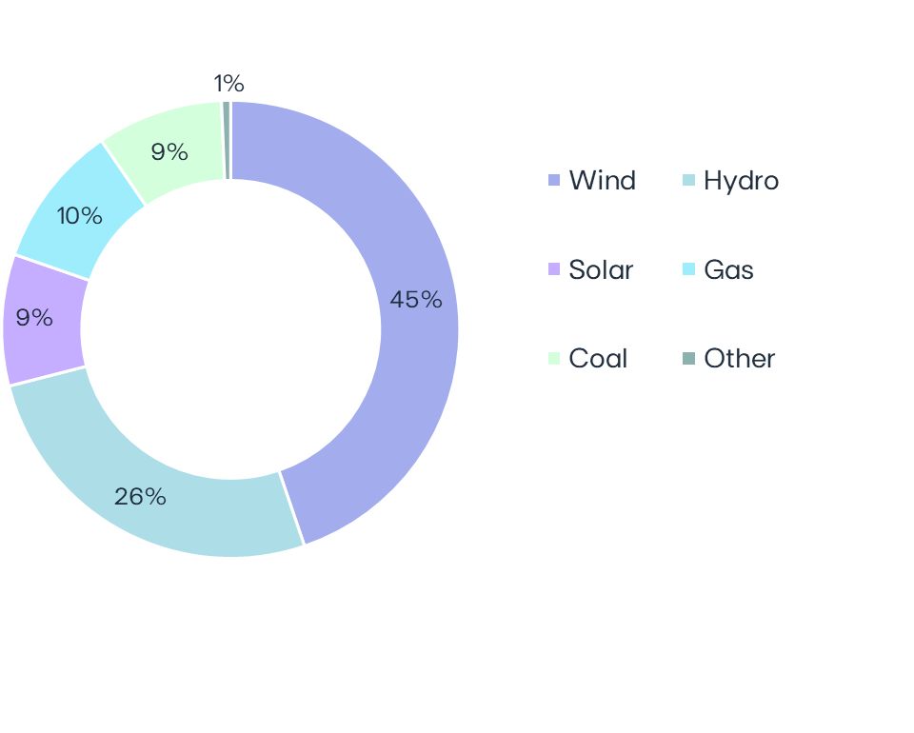
 |  |  |  |  |  |  |  | MW | Sep-23 | Sep-22 | ∆ | ∆% | U/C |  |  | Installed capacity | Sep-23 |  |  |  | Load factors | 9M23 | 9M22 | 3Q23 | 3Q22 |  |  | Wind & Solar Production deviation vs. expected LT avg. Gross Capacity Factor | 9M23 vs 9M22 |  |  |  |  | Hydro resources deviation vs. historical avg. | 9M23 vs 9M22 |  | Iberia |  | 9M23 | 9M22 | ∆ | ∆%
 |  |  |  |  |  |  |  | Wind | 11,879 | 11,907 | -28 | -0% | 1,373 |  |  | EBITDA + Equity MW |  |  |  | Wind | 28% | 30% | 24% | 24% |  |  |  |  |  |  |  |  |  | Electricity distributed (GWh) |  | 43,613 | 44,142 | -529 | -1%
 |  |  |  |  |  |  |  | North America | 6,172 | 6,079 | +93 | +2% | 502 |  |  |  |  |  |  | North America | 29% | 33% | 22% | 23% |  |  |  |  |  |  |  |  |  | Portugal |  | 34,141 | 34,013 | +128 | +0.4%
 |  |  |  |  |  |  |  | Europe | 4,796 | 4,917 | -121 | -2% | 185 |  |  |  |  |  |  | Europe | 25% | 26% | 21% | 21% |  |  |  |  |  |  |  |  |  | Spain |  | 9,473 | 10,129 | -656 | -6%
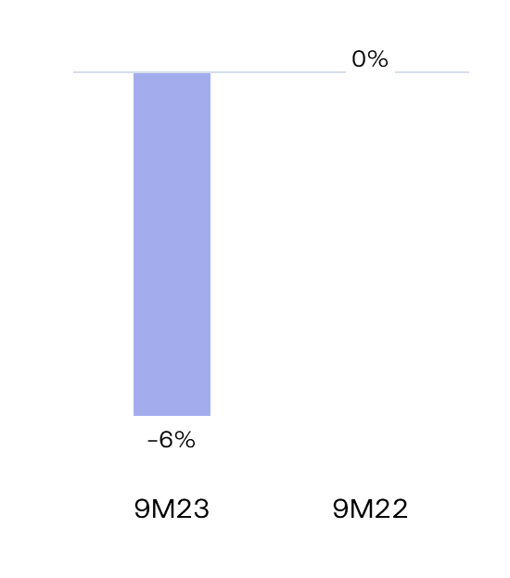
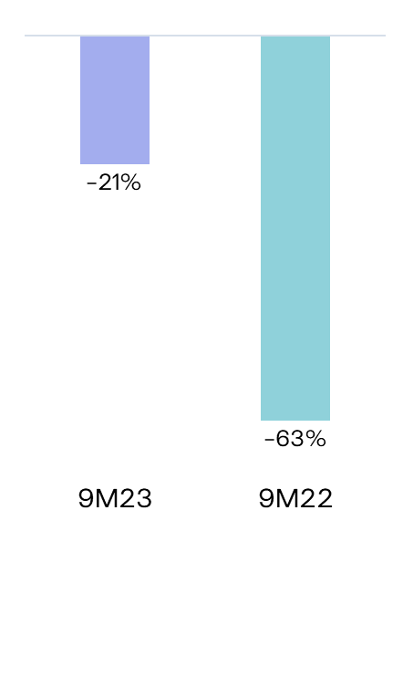
 |  |  |  |  |  |  |  | South America & APAC | 910 | 910 | - | - | 686 |  |  |  |  |  |  | South America & APAC | 43% | 42% | 51% | 59%
 |  |  |  |  |  |  |  | Hydro | 6,921 | 7,127 | -206 | -3% | - |  |  |  |  |  |  | Hydro |  |  |  |  |  |  |  |  |  |  |  |  |  | Customers connected (th) |  | 7,863 | 7,794 | +69 | +1%
 |  |  |  |  |  |  |  | Iberia (1) | 5,520 | 5,527 | -8 | -0% | - |  |  |  |  |  |  | Iberia(1) | 16% | 10% | 8% | 6% |  |  |  |  |  |  |  |  |  | Portugal |  | 6,475 | 6,413 | +62 | +1%
 |  |  |  |  |  |  |  | Brazil | 1,401 | 1,599 | -198 | -12% | - |  |  |  | 28.5 GW |  |  | Brazil | 36% | 40% | 28% | 28% |  |  |  |  |  |  |  |  |  | Spain |  | 1,388 | 1,382 | +7 | +0%
 |  |  |  |  |  |  |  | Solar (2) | 2,455 | 1,474 | +981 | +67% | 3,109 |  |  |  |  |  |  | Solar | 25% | 19% | 25% | 19%
 |  |  |  |  |  |  |  | North America | 651 | 396 | +255 | +64% | 2,031 |  |  |  |  |  |  | North America | 30% | 27% | 30% | 27%
80% Renewables
 |  |  |  |  |  |  |  | Europe | 694 | 153 | +541 | +354% | 492 |  |  |  |  |  |  | Europe | 18% | 18% | 18% | 19% |  |  |  |  |  |  |  |  |  | Brazil |  | 9M23 | 9M22 | ∆ | ∆%
 |  |  |  |  |  |  |  | South America & APAC | 1,109 | 925 | +184 | +20% | 587 |  |  |  |  |  |  | South America & APAC | 23% | 18% | 24% | 18% |  |  |  |  |  |  |  |  |  | Electricity distributed (GWh) |  | 20,314 | 19,881 | +433 | +2%
 |  |  |  |  |  |  |  | o/w Solar DG (3) | 978 | 549 | +429 | +78% | - |  |  |  |  |  |  | Gas Iberia | 18% | 37% | 19% | 47% |  |  |  |  |  |  |  |  |  | Final customers |  | 10,446 | 10,333 | +113 | +1%
 |  |  |  |  |  |  |  | Gas Iberia | 2,886 | 2,886 |  |  |  |  |  |  |  |  |  | Coal |  |  |  |  |  |  |  |  |  |  |  |  |  | Access customers |  | 9,869 | 9,548 | +320 | +3%
 |  |  |  |  |  |  |  | Coal | 2,540 | 2,540 |  |  |  |  |  | Capacity evolution | YoY |  |  |  | Iberia | 20% | 47% | 19% | 57%
 |  |  |  |  |  |  |  | Iberia | 1,820 | 1,820 |  |  |  |  |  | EBITDA + Equity MW |  |  |  | Brazil | 0% | 0% | 0% | 0% |  |  |  |  |  |  |  |  |  | Customers connected (th) |  | 3,848 | 3,751 | +97 | +3%
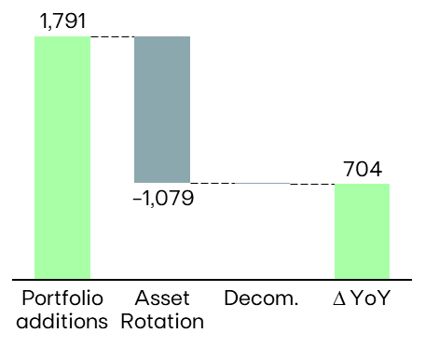
 |  |  |  |  |  |  |  | Brazil | 720 | 720 |  |  |  |  |  |  |  |  |  | Other(2) | 89% | 75% | 88% | 75% |  |  |  |  |  |  |  |  |  | EDP São Paulo |  | 2,129 | 2,065 | +64 | +3%
 |  |  |  |  |  |  |  | Other (4) | 17 | 26 | -9 | -33% |  |  |  |  |  |  |  | (1) Includes small-hydro; (2) Cogeneration & Waste |  |  |  |  |  |  |  |  |  |  |  |  |  | EDP Espírito Santo |  | 1,719 | 1,685 | +33 | +2%
 |  |  |  |  |  |  |  | EBITDA MW | 26,698 | 25,959 | +739 | +3% | 4,482
 |  |  |  |  |  |  |  | Equity MW (5) | 1,786 | 1,821 | -35 | -2% | 729
⁽¹⁾
 |  |  |  |  |  |  |  | EBITDA + Equity MW | 28,484 | 27,780 | +704 | +3% | 5,211
 |  |  |  |  |  |  |  | (1) Includes small-hydro; (2) Solar capacity and solar load factors reported in MWac; (3) As-a-service capacity ; (4) Cogeneration & Waste; (5) Including attributable MWs in equity-method consolidated associates (mostly in wind offshore, hydro Brazil and wind & solar in Spain/US) and joint operations (Nuclear in Spain).
 |  |  |  |  |  |  |  |  |  |  |  |  |  |  |  |  |  |  |  | ENERGY SUPPLY |  |  |  |  |  |  |  |  |  |  |  |  | KEY ANNOUNCEMENTS
 |  |  |  |  |  |  |  |  |  |  |  |  |  |  |  | (1) Includes the hydro sale in Brazil
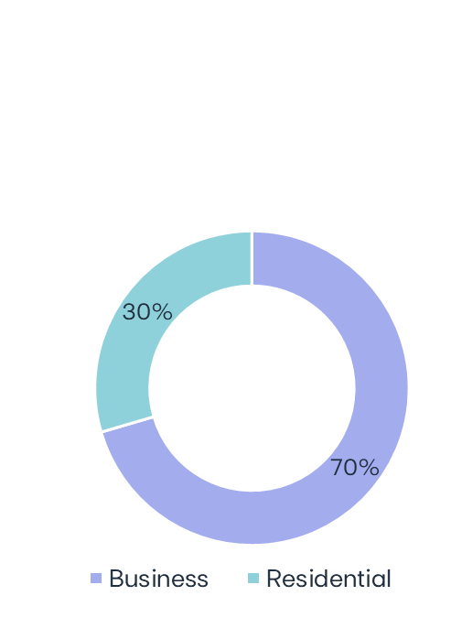
 |  |  |  |  |  |  |  | ELECTRICITY GENERATION (1) |  |  |  |  |  |  |  |  |  |  |  | Volumes supplied (GWh) |  |  |  |  | No. of Clients (th) |  |  |  |  | Volumes of electricity supplied in Iberia - Liberalized | 9M23 |  |  |  | 07-Jul-2023 | Norges Bank informs on qualified shareholding in EDP
 |  |  |  |  |  |  |  |  |  |  |  |  |  |  |  |  |  |  |  |  | 9M23 | 9M22 | ∆% |  | Sep-23 | Sep-22 |  |  | ∆% |  |  |  |  | 12-Jul-2023 | EDP moves forward with the delisting of EDP - Energias do Brasil S.A. following Tender Offer results in
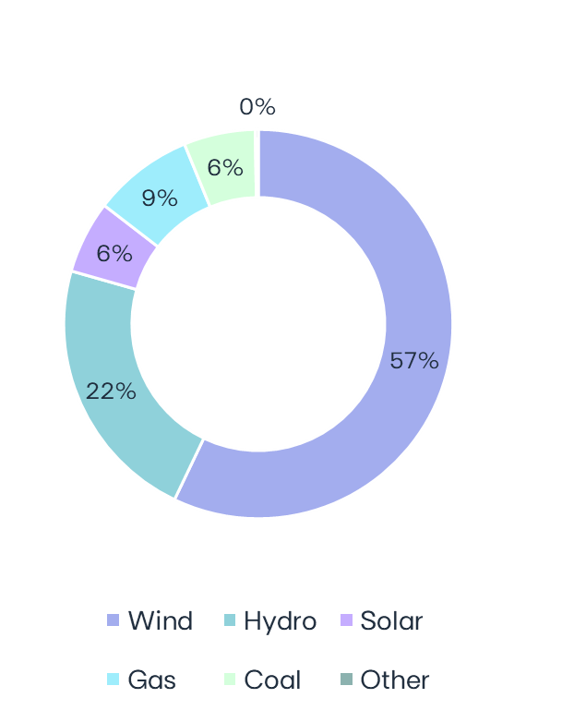
 |  |  |  |  |  |  |  | GWh | 9M23 | 9M22 | ∆ | ∆% |  | 3Q23 | 3Q22 | ∆ | ∆% | Electricity Generation | Sep-23 |  |  |  |  |  |  |  |  |  |  |  |  |  |  |  |  | which EDP reached a stake of 88%
 |  |  |  |  |  |  |  | Wind | 22,957 | 23,291 | -334 | -1% |  | 6,345 | 6,139 | +206 | +4% |  |  | Electricity Iberia | 22,226 | 24,653 | -10% |  | 4,774 | 4,919 |  |  | -3% |  |  |  |  | 25-Jul-2023 | EDP closes Asset Rotation deal for a 257 MW wind portfolio in Spain
 |  |  |  |  |  |  |  | North America | 11,850 | 13,123 | -1,273 | -10% |  | 3,034 | 3,100 | -67 | -2% |  |  | Portugal Liberalized | 12,673 | 13,390 | -5% |  | 3,815 | 3,971 |  |  | -4% |  |  |  |  | 26-Jul-2023 | EDP reaches shareholding threshold allowing for compulsory acquisition of remaining shares in EDP Brasil
MARKET INDICATORS |  |  |  |  |  |  |  | Europe | 8,073 | 8,569 | -496 | -6% |  | 2,279 | 2,277 | +2 | +0% |  |  | Portugal Regulated | 2,243 | 2,033 | +10% |  | 941 | 926 |  |  | +2% |  |  |  |  | 27-Jul-2023 | EDP signs Asset Rotation deal for renewables portfolio in Poland
 |  |  |  |  |  |  |  | South America & APAC | 3,034 | 1,599 | +1,435 | +90% |  | 1,032 | 762 | +271 | +36% |  |  | Spain | 7,310 | 9,230 | -21% |  | 19 | 21 |  |  | -12% |  |  |  |  | 28-Jul-2023 | EDP signed a €3.0 billion sustainability-linked loan for a period of 5 years, extendable for 2 additional years
 | Iberian market |  |  |  | 9M23 | 9M22 | ∆% | Hydro | 8,967 | 7,746 | +1,221 | +16% |  | 1,795 | 1,744 | +52 | +3% |  |  |  |  |  |  |  |  |  |  |  |  |  | 20 TWh |  |  | 30-Aug-2023 | EDP signs Asset Rotation deal for a 260 MW wind portfolio in Brazil
 | Average electricity spot price - Spain |  |  | €/MWh | 91.1 | 185.8 | -51% | Iberia(2) | 5,638 | 3,567 | +2,071 | +58% |  | 929 | 770 | +159 | +21% |  |  |  |  |  |  |  |  |  |  |  |  |  |  |  |  | 30-Aug-2023 | EDP increases its stake in EDP Brasil to 100%
 | Hydro coefficient - Portugal |  |  | 1.0 = avg. Year | 0.79 | 0.37 | 114% | Brazil | 3,329 | 4,178 | -850 | -20% |  | 866 | 974 | -108 | -11% |  | 40.2 TWh | Gas Iberia | 3,828 | 5,565 | -31% |  | 598 | 663 |  |  | -10% |  |  |  |  | 07-Sep-2023 | Norges Bank informs on qualified shareholding in EDP
 | Hydro coefficient - Spain |  |  | 1.0 = avg. Year | 0.70 | 0.50 | 40% | Solar | 2,428 | 1,208 | +1,220 | +101% |  | 935 | 500 | +435 | +87% |  |  | Portugal Liberalized | 1,666 | 2,862 | -42% |  | 488 | 628 |  |  | -22% |  |  |  |  | 08-Sep-2023 | EDP awarded with CfD for 56 MW of wind onshore in the UK
 | Brazilian market |  |  |  |  |  |  | North America | 814 | 301 | +513 | +170% |  | 309 | 137 | +172 | +126% |  |  | Portugal Regulated | 321 | 137 | +135% |  | 107 |  |  | 31 | +250% |  |  |  |  | 20-Sep-2023 | EDP agrees to sell 80% of Pecém coal plant in Brazil
85% Renewables
 | Average spot price (PLD) |  |  | R$/MWh | 70 | 60 | 17% | Europe | 313 | 142 | +172 | +121% |  | 161 | 56 | +105 | +188% |  |  | Spain | 1,842 | 2,566 | -28% |  | 3 | 4 |  |  | -27% |  |  |  |  | 27-Sep-2023 | EDP issues €1,350 million senior green notes
 | Generation Scalling Factor (GSF) (1) |  |  | % | 92% | 89% | 3% | South America & APAC | 1,301 | 766 | +536 | +70% |  | 465 | 307 | +158 | +51% |  |  |  |  |  |  |  |  |  |  |  |  |  |  |  |  | 28-Sep-2023 | EDP sells Portuguese tariff adjustment for €300 million
 | Exchange rates |  |  |  |  |  |  | Gas Iberia | 3,359 | 6,915 | -3,556 | -51% |  | 1,222 | 2,996 | -1,774 | -59%
 | EUR/USD | - | Average |  | 1.08 | 1.06 | -2% | Coal | 2,394 | 5,650 | -3,256 | -58% |  | 751 | 2,288 | -1,538 | -67%
 | EUR/BRL | - | Average |  | 5.42 | 5.46 | +1% | Iberia | 2,394 | 5,646 | -3,252 | -58% |  | 751 | 2,288 | -1,538 | -67% |  |  | RESULTS RELEASE
 | EUR/USD | - | End of period |  | 1.06 | 0.97 | -8% | Brazil | 0 | 4 | -4 | . |  | 0 | 0 | - | -
 | EUR/BRL | - | End of period |  | 5.31 | 5.26 | -1% | Other (3) | 101 | 127 | -26 | -21% |  | 34 | 43 | -9 | -22% |  |  | EDP's 9M23 results will be released on November 2nd, 2023. A conference call will be hosted by EDP's CEO, Mr. Miguel Stilwell d'Andrade and EDP's CFO, Mr. Rui Teixeira, on the day after, at 11:30 am GMT. More information will be available on www.edp.com.
 | (1) Weighted average |  |  |  |  |  |  | Total | 40,206 | 44,936 | -4,730 | -11% |  | 11,082 | 13,710 | -2,628 | -19%
 |  |  |  |  |  |  |  | (1) Includes generation assets with controlling stakes, excludes equity MWs; (2) Includes small-hydro; (3) Cogeneration & Waste

