Cover
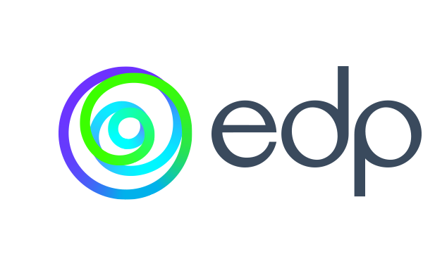

 | 1Q24

Financial Results

