EDP 1Q24 Operating Data
OPERATING DATA PREVIEW 1Q24 |  |  |  |  |  |  |  |  |  |  |  |  |  |  |  |  |  | #REF!
Lisbon, April 18th, 2024 |  |  |  |  |  |  |  |  |  |  |  |  |  |  |  |  |  | Lisbon, April 18th, 2024

KEY HIGHLIGHTS |  |  |  |  |  |  |  | INSTALLED CAPACITY |  |  |  |  |  |  |  |  |  | LOAD FACTORS |  |  |  |  |  |  |  |  |  |  | ENERGY DISTRIBUTION
EDP's renewables generation increased by 10% in 1Q24 to 16.9 TWh, representing 97% of total electricity generation.
Hydro generation increased by 37% YoY to 7 TWh, 1.4 TWh above historical average for the period in Iberia, supported by strong rainfall in 1Q24 (hydro generation in Portugal 38% above historical average in 1Q24 vs. 5% below avg. in 1Q23). Hydro pumping generation rose +46% YoY to 545 GWh in 1Q24, supported by increased hourly electricity price volatility. By the end of March, hydro reservoir levels in Portugal stood at 94%, representing a record level +26p.p. above historical average for the period.
In the last 12 months, EDP has added +3.2 GW of wind and solar capacity, reaching a Wind and Solar installed capacity of 17.0 GW (EBITDA + Equity) in March 2024, an increase of +13% or +2.0 GW YoY. In 1Q24 we installed +0.4 GW of solar capacity in US, reflecting the normalization of our US solar supply chain, which was restricted over 2023, and concluded one asset rotation of solar assets in US and agreed another asset rotation for a wind farm in Canada. Installed capacity of solar DG amounted to 38% of total solar installed capacity.
Wind and Solar generation decreased 3% mostly due to the negative impact on asset rotations of operating wind farms in Spain (Aug-23), Poland (Sep-23) and Brazil (Dec-23), gradual ramp up of generation from new capacity added in 4Q23, and poor renewable resources (-2% vs. LT average both in 1Q23 and 1Q24, with a lower than expected negative impact from El Niño in US wind generation).
Thermal generation fell by 80% YoY, -95% in coal (to 0.2% of total generation), and -68% YoY in gas (to 2% of total generation), reflecting the disposal of 80% of Pecém coal plant in Brazil and 50/50 JV at Aboño coal plant in Spain (both in Dec-23), in line with EDP's commitment to be coal-free by 2025, as also the lower thermal capacity load factors in Iberia due to the increase of renewable generation.
In the supply business, in Iberia, electricity volume sold decreased 14% YoY, reflecting mainly the decrease of volumes sold to large corporate clients in Spain. On gas, volumes sold decreased 18% YoY.
In Brazil, electricity distributed showed a strong increase of 6% YoY, supported by high temperatures in the period, and the number of customers connected increased by 2% YoY. Furthermore, in 1Q24 we concluded the asset rotation of a transmission line with a total length of 743 Km. In electricity distribution in Iberia, electricity distributed, and customers connected increased both by 1% YoY.
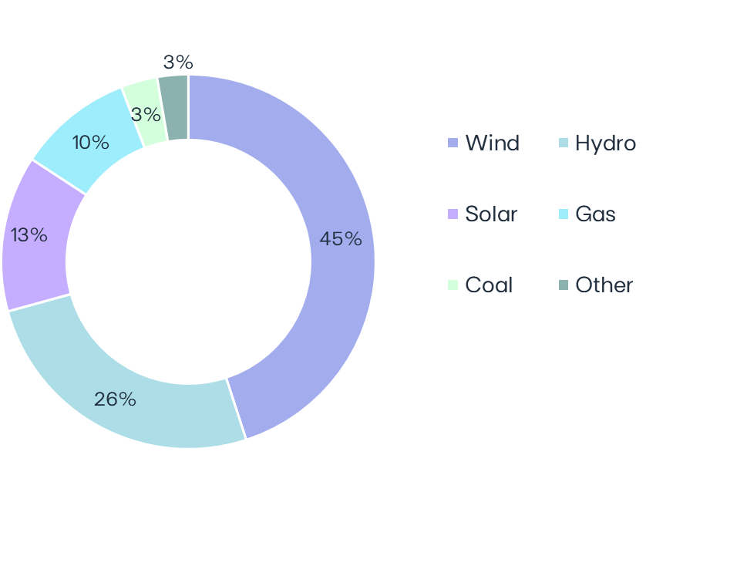
 |  |  |  |  |  |  |  | MW | Mar-24 | Mar-23 | ∆ | ∆% | U/C |  | Installed capacity | Mar-24 |  |  | Load factors | 1Q24 | 1Q23 |  |  |  | Wind & Solar Production deviation vs. expected LT avg. Gross Capacity Factor | 1Q24 vs 1Q23 |  |  |  | Hydro resources deviation vs. historical avg. | 1Q24 vs 1Q23 |  | Iberia |  | 1Q24 | 1Q23 | ∆ | ∆%
 |  |  |  |  |  |  |  | Wind | 12,134 | 12,162 | -27 | -0% | 1,131 |  | EBITDA + Equity MW |  |  | Wind | 34% | 35% |  |  |  |  |  |  |  |  |  | Electricity distributed (GWh) |  | 15,621 | 15,435 | +187 | +1%
 |  |  |  |  |  |  |  | North America | 6,374 | 6,172 | +202 | +3% | 0 |  |  |  |  | North America | 35% | 38% |  |  |  |  |  |  |  |  |  | Portugal |  | 12,285 | 12,179 | +105 | +1%
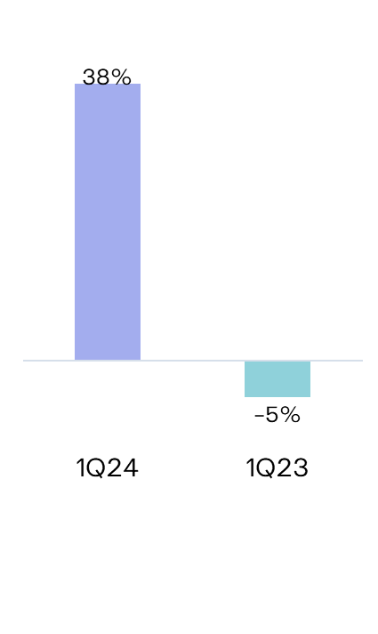
 |  |  |  |  |  |  |  | Europe | 4,930 | 5,079 | -149 | -3% | 303 |  |  |  |  | Europe | 33% | 32% |  |  |  |  |  |  |  |  |  | Spain |  | 3,337 | 3,255 | +81 | +2%
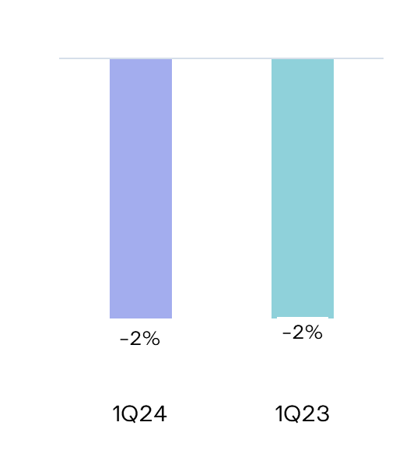
 |  |  |  |  |  |  |  | South America & APAC | 831 | 910 | -80 | -9% | 829 |  |  |  |  | South America & APAC | 29% | 28%
 |  |  |  |  |  |  |  | Hydro | 6,921 | 6,921 |  |  | - |  |  |  |  | Hydro |  |  |  |  |  |  |  |  |  |  |  | Customers connected (th) |  | 7,883 | 7,824 | +59 | +1%
 |  |  |  |  |  |  |  | Iberia (1) | 5,520 | 5,520 |  |  | - |  |  |  |  | Iberia(1) | 40% | 30% |  |  |  |  |  |  |  |  |  | Portugal |  | 6,491 | 6,439 | +52 | +1%
 |  |  |  |  |  |  |  | Brazil | 1,401 | 1,401 |  |  | - |  |  |  | 29 GW | Brazil | 69% | 51% |  |  |  |  |  |  |  |  |  | Spain |  | 1,392 | 1,384 | +8 | +1%
 |  |  |  |  |  |  |  | Solar (2) | 3,658 | 1,726 | +1,932 | +112% | 2,727 |  |  |  |  | Solar | 21% | 24%
 |  |  |  |  |  |  |  | North America | 1,216 | 475 | +741 | +156% | 1,665 |  |  |  |  | North America | 27% | 27%
84% Renewables
 |  |  |  |  |  |  |  | Europe | 895 | 253 | +642 | +254% | 756 |  |  |  |  | Europe | 10% | 12% |  |  |  |  |  |  |  |  |  | Brazil |  | 1Q24 | 1Q23 | ∆ | ∆%
 |  |  |  |  |  |  |  | South America & APAC | 1,547 | 998 | +549 | +55% | 306 |  |  |  |  | South America & APAC | 25% | 24% |  |  |  |  |  |  |  |  |  | Electricity distributed (GWh) |  | 7,308 | 6,866 | +442 | +6%
 |  |  |  |  |  |  |  | o/w Solar DG (3) | 1,284 | 752 | +531 | +71% | - |  |  |  |  | Gas Iberia | 6% | 20% |  |  |  |  |  |  |  |  |  | Final customers |  | 3,726 | 3,629 | +98 | +3%
 |  |  |  |  |  |  |  | Gas Iberia | 2,886 | 2,886 |  |  |  |  |  |  |  | Coal |  |  |  |  |  |  |  |  |  |  |  | Access customers |  | 3,582 | 3,237 | +345 | +11%
 |  |  |  |  |  |  |  | Coal | 916 | 2,540 | -1,624 | -64% |  |  | Capacity evolution | YoY |  |  | Iberia | 2% | 23%
 |  |  |  |  |  |  |  | Iberia | 916 | 1,820 | -904 | -50% |  |  | EBITDA + Equity MW |  |  | Brazil | 0% | 0% |  |  |  |  |  |  |  |  |  | Customers connected (th) |  | 3,889 | 3,811 | +78 | +2%
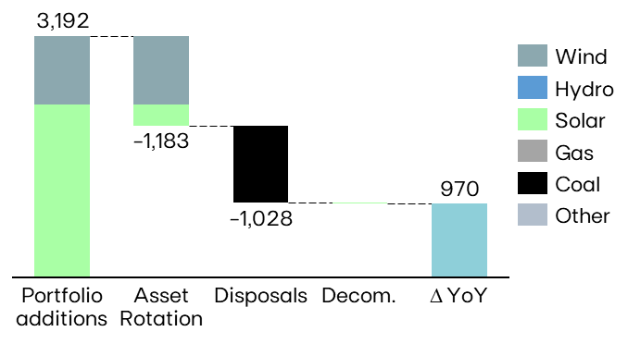
 |  |  |  |  |  |  |  | Brazil | 0 | 720 | -720 | -100% |  |  |  |  |  | Other(2) | 31% | 86% |  |  |  |  |  |  |  |  |  | EDP São Paulo |  | 2,150 | 2,100 | +49 | +2%
 |  |  |  |  |  |  |  | Other (4) | 17 | 17 |  |  |  |  |  |  |  | (1) Includes small-hydro; (2) Cogeneration & Waste |  |  |  |  |  |  |  |  |  |  |  | EDP Espírito Santo |  | 1,739 | 1,710 | +29 | +2%
 |  |  |  |  |  |  |  | EBITDA MW | 26,532 | 26,251 | +281 | +1% | 3,858
 |  |  |  |  |  |  |  | Equity MW (5) | 2,510 | 1,821 | +689 | +38% | 729
 |  |  |  |  |  |  |  | EBITDA + Equity MW | 29,042 | 28,072 | +970 | +3% | 4,587
 |  |  |  |  |  |  |  | (1) Includes small-hydro; (2) Solar capacity and solar load factors reported in MWac; (3) As-a-service capacity ; (4) Cogeneration & Waste; (5) Including attributable MWs in equity-method consolidated associates (mostly in wind offshore, hydro Brazil and wind & solar in Spain/US) and joint operations (Nuclear in Spain), and includes coal minority stakes in Brazil and Spain.
 |  |  |  |  |  |  |  |  |  |  |  |  |  |  |  |  |  | ENERGY SUPPLY |  |  |  |  |  |  |  |  |  |  | KEY ANNOUNCEMENTS

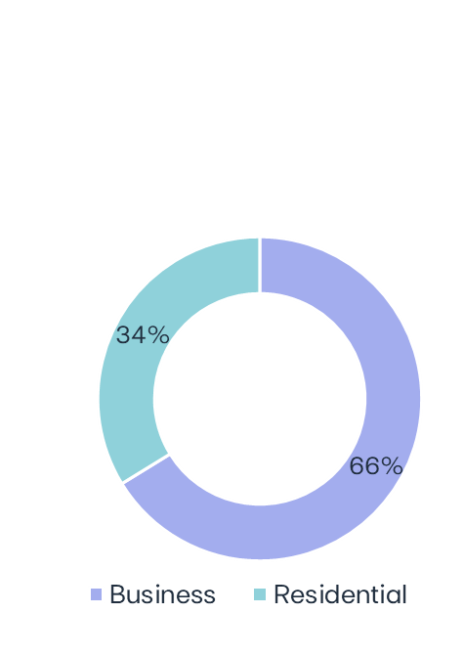
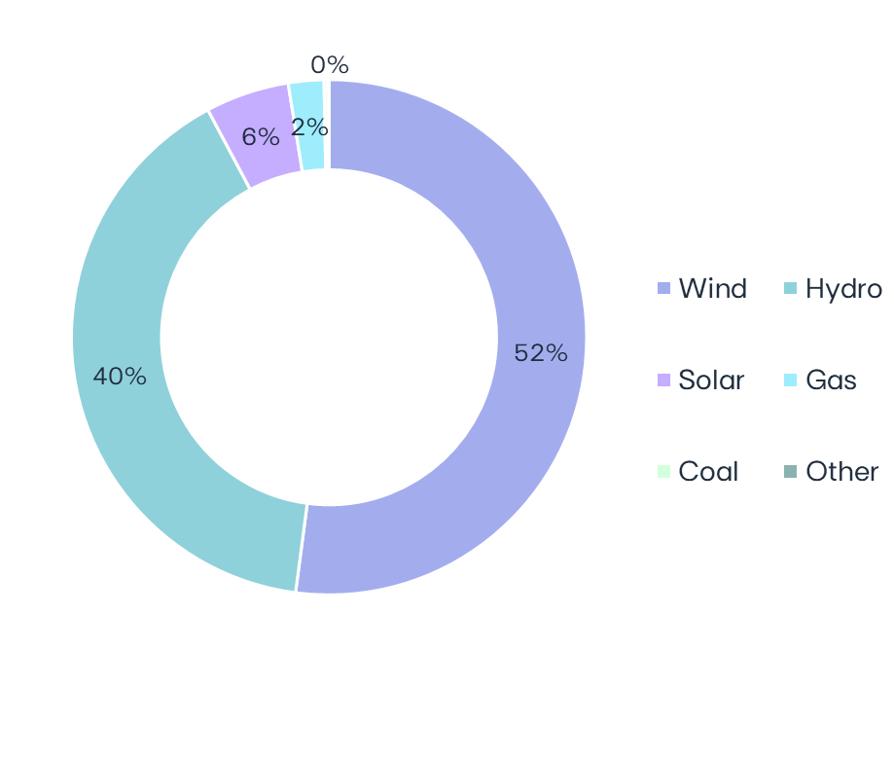
 |  |  |  |  |  |  |  | ELECTRICITY GENERATION (1) |  |  |  |  |  |  |  |  |  | Volumes supplied (GWh) |  |  |  | No. of Clients (th) |  |  |  | Volumes of electricity supplied in Iberia - Liberalized | 1Q24 |  |  |  | 04-jan-2024 | EDP signs asset rotation deal for a 340 MWac solar portfolio in the US
 |  |  |  |  |  |  |  |  |  |  |  |  |  |  |  |  |  |  | 1Q24 | 1Q23 | ∆% | Mar-24 | Mar-23 |  | ∆% |  |  |  |  | 04-jan-2024 | Chairman of EDPs General and Supervisory Board informs that he will not renew its mandate in EDPs corporate bodies in the next term-of-office
 |  |  |  |  |  |  |  | GWh | 1Q24 | 1Q23 | ∆ | ∆% |  | Electricity Generation | Mar-24
 |  |  |  |  |  |  |  | Wind | 9,056 | 9,630 | -574 | -6% |  |  |  |  |  | Electricity Iberia | 7,261 | 8,486 | -14% | 4,603 | 4,874 |  | -6% |  |  |  |  | 09-jan-2024 | EDP issues €750 million Senior Green Notes with a coupon of 3.5%
 |  |  |  |  |  |  |  | North America | 5,131 | 4,965 | +166 | +3% |  |  |  |  |  | Portugal Liberalized | 4,429 | 4,692 | -6% | 3,682 | 3,881 |  | -5% |  |  |  |  | 12-jan-2024 | Cash tender offer for outstanding $500,000,000 6.300 per cent. notes due 2027
MARKET INDICATORS |  |  |  |  |  |  |  | Europe | 3,475 | 3,444 | +31 | +1% |  |  |  |  |  | Portugal Regulated | 798 | 946 | -16% | 902 | 975 |  | -7% |  |  |  |  | 24-jan-2024 | EDP secures its first PPA in Germany
 |  |  |  |  |  |  |  | South America & APAC | 449 | 1,220 | -771 | -63% |  |  |  |  |  | Spain | 2,034 | 2,849 | -29% | 19 | 19 |  | +0% |  |  |  |  | 07-feb-2024 | EDP secures a PPA for a 250 MW portfolio in Spain
 | Iberian market |  |  |  | 1Q24 | 1Q23 | ∆% | Hydro | 6,981 | 5,097 | +1,884 | +37% |  |  |  |  |  |  |  |  |  |  |  |  |  |  | 6,5 TWh |  |  | 12-feb-2024 | EDP awarded with 20-year CfD for 100 MW wind onshore in Italy
 | Average electricity spot price - Spain |  |  | €/MWh | 44.9 | 96.4 | -53% | Iberia(2) | 4,869 | 3,563 | +1,307 | +37% |  |  |  |  |  |  |  |  |  |  |  |  |  |  |  |  |  | 14-feb-2024 | EDP signs asset rotation deal for a 297 MW wind project in Canada
 | Hydro coefficient - Portugal |  |  | 1.0 = avg. Year | 1.38 | 0.95 | 45% | Brazil | 2,111 | 1,534 | +577 | +38% |  |  |  | 17.4 TWh |  | Gas Iberia | 1,441 | 1,754 | -18% | 579 | 609 |  | -5% |  |  |  |  | 15-feb-2024 | EDP completes asset rotation deal for a 340 MWac solar portfolio in the US
 | Hydro coefficient - Spain |  |  | 1.0 = avg. Year | 1.40 | 1.00 | 40% | Solar | 927 | 664 | +263 | +40% |  |  |  |  |  | Portugal Liberalized | 557 | 798 | -30% | 467 | 506 |  | -8% |  |  |  |  | 20-feb-2024 | EDP concludes asset rotation deal related to transmission line in Brazil
 | Brazilian market |  |  |  |  |  |  | North America | 267 | 209 | +58 | +28% |  |  |  |  |  | Portugal Regulated | 185 | 133 | +39% | 110 | 101 |  | +9% |  |  |  |  | 27-feb-2024 | EDP intends to opt to receive shares following Scrip Dividend announcement of EDPR
 | Average spot price (PLD) |  |  | R$/MWh | 61 | 69 | -11% | Europe | 128 | 48 | +80 | +166% |  |  |  |  |  | Spain | 699 | 823 | -15% | 3 | 3 |  | -9% |  |  |  |  | 28-feb-2024 | EDP secures largest government tender in Singapore with up to 200 MWdc of solar projects
97% Renewables
 | Generation Scalling Factor (GSF) (1) |  |  | % | 90% | 101% | -11% | South America & APAC | 532 | 407 | +125 | +31% |  |  |  |  |  |  |  |  |  |  |  |  |  |  |  |  |  | 28-feb-2024 | EDP sells Portuguese tariff deficit for €0.1 billion
 | Exchange rates |  |  |  |  |  |  | Gas Iberia | 388 | 1,232 | -844 | -68% |  |  |  |  |  |  |  |  |  |  |  |  |  |  |  |  |  | 07-mar-2024 | EDP – Fixed to Reset Rate Hybrid Notes due March 2082 – 3rd Coupon Interest Payment
 | EUR/USD | - | Average |  | 1.09 | 1.07 | -2% | Coal | 42 | 908 | -866 | -95% |  |  |  |  |  |  |  |  |  |  |  |  |  |  |  |  |  | 26-mar-2024 | Norges Bank informs on qualified shareholding in EDP
 | EUR/BRL | - | Average |  | 5.38 | 5.58 | +4% | Iberia | 42 | 908 | -866 | -95%
 | EUR/USD | - | End of period |  | 1.08 | 1.09 | +1% | Brazil | 0 | 0 | -
 | EUR/BRL | - | End of period |  | 5.40 | 5.52 | +2% | Other (3) | 12 | 32 | -21 | -64% |  |  |  |  |  | EDP's 1Q24 results will be released on May 9th, 2024. A conference call will be hosted by EDP's CEO, Mr. Miguel Stilwell d'Andrade and EDP's CFO, Mr. Rui Teixeira, on that day, at 17:00 am GMT. More information will be available on www.edp.com.
 | (1) Weighted average |  |  |  |  |  |  | Total | 17,405 | 17,563 | -158 | -1%
 |  |  |  |  |  |  |  | (1) Includes generation assets with controlling stakes, excludes equity MWs; (2) Includes small-hydro; (3) Cogeneration & Waste

