EN Horizontal
1 | 2 | 3 | 4 | 5 | 6 | 7 | 8 | 9 | 10 | 11 | 12 | 13 | 14 | 15 | 16 | 17 | 18 | 19 | 20 | 21 | 22 | 23 | 24 | 25 | 26 | 27 | 28 | 29 | 30 | 31 | 32 | 33 | 34 | 35 | 36 | 37 | 38 | 39 | 40 | 41 | 42 | 43 | 44 | 45 | 46 | 47 | 48
OPERATING DATA PREVIEW 1H24 |  |  |  |  |  |  |  |  |  |  |  |  |  |  |  |  |  |  |  |  |  |  |  |  |  |  |  |  |  |  |  |  |  |  |  |  |  |  |  |  |  |  |  |  |  |  |  |  |  |  |  |  |  |  |  |  |  | OPERATING DATA PREVIEW 1H24
Lisbon, July 15th, 2024 |  |  |  |  |  |  |  |  |  |  |  |  |  |  |  |  |  |  |  |  |  |  |  |  |  |  |  |  |  |  |  |  |  |  |  |  |  |  |  |  |  |  |  |  |  |  |  |  |  |  |  |  |  |  |  |  |  | Lisbon, July 15th, 2024

KEY HIGHLIGHTS |  |  |  |  |  |  |  |  |  |  |  |  |  |  |  |  |  |  |  |  |  |  |  |  |  |  |  |  |  |  |  |  |  |  |  |  | INSTALLED CAPACITY |  |  |  |  |  |  |  |  |  |  |  |  |  |  |  |  |  |  |  |  | LOAD FACTORS |  |  |  |  |  |  |  |  |  |  |  | ENERGY DISTRIBUTION
EDP's renewables generation increased by 20% in 1H24 to 30.2 TWh, representing 98% of total electricity generation reflecting our ambition to be All Green by 2030.
Hydro generation increased by 56% YoY to 11.2 TWh, 2.7 TWh above expectations for the period in Iberia, supported by strong rainfall in 1H24 (hydro generation in Portugal 40% above historical average in 1H24 vs. 21% below avg. in 1H23). Hydro pumping generation rose +37% YoY to 980 GWh in 1H24, supported by increased hourly electricity price volatility. By the end of June, hydro reservoir levels in Portugal stood at 80%, in line with June 2023 and +14p.p. above historical average for this period.
In the last 12 months, EDP added +3.1 GW of wind and solar capacity, reaching a Wind and Solar installed capacity of 17.1 GW (EBITDA + Equity) in June 2024, an increase of +11% or +1.7 GW YoY. In 2Q24 we agreed an asset rotation for a wind portfolio in Italy, a transaction that will contribute with asset rotation gains in 2Q24. Installed capacity of solar DG amounted to 33% of total solar installed capacity.
Wind and Solar generation increased 5%, supported by 69% YoY increase of solar generation, following the strong growth of installed capacity, and stable wind generation, as the recovery of wind resourses in US and Europe was offset by weak wind resources in Brazil in 1H24 and the 3 wind asset rotation transations closed in 2H23.
In 2Q24, our integrated client solutions and energy management activity benefited from our strong hydro generation volumes and significant decline of gas sourcing costs, in a context of low average electricity spot price in Iberia.
Thermal generation fell by 83% YoY, -98% in coal and -72% YoY in gas, due to the lower thermal capacity load factors in Iberia and supported by the disposal of 80% of Pecém coal plant in Brazil and 50/50 JV at Aboño coal plant in Spain (-1.6GW), reflecting our commitment to be coal free by 2025.
In the supply business, in Iberia, electricity volume sold decreased 9% YoY, reflecting mainly the decrease of volumes sold to business clients in Spain. On gas, volumes sold decreased 11% YoY.
In Brazil, electricity distributed increased by 9% YoY, driven by the high temperatures and the number of customers connected increased by 2% YoY. Furthermore, in 2Q24 EDP won an auction for the construction and operation of 3 transmission lines of electricity in Brazil, with a total length of 1,388 km. In electricity distribution in Iberia, electricity distributed increased by 2% YoY and customers connected increased by 1% YoY.
 | MW
Wind | 12799.3686
Hydro | 7472.249896
Solar | 4272.920792
Gas | 2885.632
Coal | 1512.1423
Other | 182.47924
 |  |  |  |  |  |  |  |  |  |  |  |  |  |  |  |  |  |  |  |  |  |  |  |  |  |  |  |  |  |  |  |  |  |  |  |  | MW |  |  |  |  |  |  |  | Jun-24 |  |  | Jun-23 | ∆ | ∆% | U/C |  |  | Installed capacity | Jun-24 |  |  |  | Load factors | 1H24 | 1H23 | 2Q24 | 2Q23 |  |  | Wind & Solar Production deviation vs. expected LT avg. Gross Capacity Factor | 1H24 vs 1H23 |  |  |  | Hydro resources deviation vs. historical avg. | 1H24 vs 1H23 |  | Iberia |  | 1H24 | 1H23 | ∆ | ∆%
 |  |  |  |  |  |  |  |  |  |  |  |  |  |  |  |  |  |  |  |  |  |  |  |  |  |  |  |  |  |  |  |  |  |  |  |  | Wind |  |  |  |  |  |  |  | 11,944 |  |  | 12,280 | -336 | -3% | 1,154 |  |  | EBITDA + Equity MW |  |  |  | Wind | 31% | 31% | 29% | 26% |  |  |  |  |  |  |  |  | Electricity distributed (GWh) |  | 29,822 | 29,276 | +546 | +2%
 |  |  |  |  |  |  |  |  |  |  |  |  |  |  |  |  |  |  |  |  |  |  |  |  |  |  |  |  |  |  |  |  |  |  |  |  | North America |  |  |  |  |  |  |  | 6,374 |  |  | 6,172 | +202 | +3% | 0 |  |  |  |  |  |  | North America | 34% | 33% | 34% | 29% |  |  |  |  |  |  |  |  | Portugal |  | 23,187 | 22,922 | +265 | +1%
 |  |  |  |  |  |  |  |  |  |  |  |  |  |  |  |  |  |  |  |  |  |  |  |  |  |  |  |  |  |  |  |  |  |  |  |  | Europe |  |  |  |  |  |  |  | 4,739 |  |  | 5,197 | -458 | -9% | 326 |  |  |  |  |  |  | Europe | 27% | 27% | 22% | 22% |  |  |  |  |  |  |  |  | Spain |  | 6,635 | 6,354 | +281 | +4%
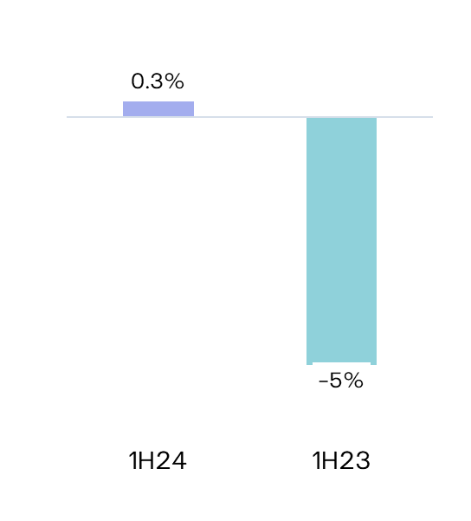
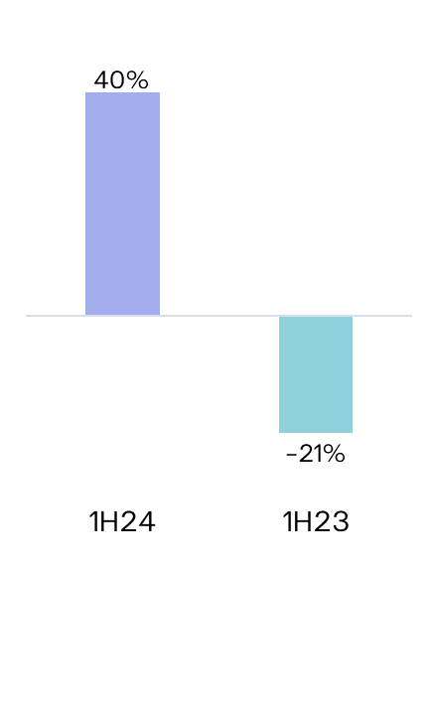
 |  |  |  |  |  |  |  |  |  |  |  |  |  |  |  |  |  |  |  |  |  |  |  |  |  |  |  |  |  |  |  |  |  |  |  |  | South America & APAC |  |  |  |  |  |  |  | 831 |  |  | 910 | -80 | -9% | 829 |  |  |  |  |  |  | South America & APAC | 31% | 36% | 34% | 40%
 |  |  |  |  |  |  |  |  |  |  |  |  |  |  |  |  |  |  |  |  |  |  |  |  |  |  |  |  |  |  |  |  |  |  |  |  | Hydro |  |  |  |  |  |  |  | 6,921 |  |  | 6,921 |  |  | - |  |  |  |  |  |  | Hydro |  |  |  |  |  |  |  |  |  |  |  |  | Customers connected (th) |  | 7,903 | 7,847 | +57 | +1%
 |  |  |  |  |  |  |  |  |  |  |  |  |  |  |  |  |  |  |  |  |  |  |  |  |  |  |  |  |  |  |  |  |  |  |  |  | Iberia (1) |  |  |  |  |  |  |  | 5,520 |  |  | 5,520 |  |  | - |  |  |  |  |  |  | Iberia(1) | 32% | 20% | 24% | 10% |  |  |  |  |  |  |  |  | Portugal |  | 6,509 | 6,460 | +49 | +1%
 |  |  |  |  |  |  |  |  |  |  |  |  |  |  |  |  |  |  |  |  |  |  |  |  |  |  |  |  |  |  |  |  |  |  |  |  | Brazil |  |  |  |  |  |  |  | 1,401 |  |  | 1,401 |  |  | - |  |  |  | 29.1 GW |  |  | Brazil | 55% | 41% | 42% | 31% |  |  |  |  |  |  |  |  | Spain |  | 1,394 | 1,386 | +8 | +1%
 |  |  |  |  |  |  |  |  |  |  |  |  |  |  |  |  |  |  |  |  |  |  |  |  |  |  |  |  |  |  |  |  |  |  |  |  | Solar (2) |  |  |  |  |  |  |  | 4,010 |  |  | 2,050 | +1,960 | +96% | 2,584 |  |  |  |  |  |  | Solar | 25% | 25% | 25% | 26%
 |  |  |  |  |  |  |  |  |  |  |  |  |  |  |  |  |  |  |  |  |  |  |  |  |  |  |  |  |  |  |  |  |  |  |  |  | North America |  |  |  |  |  |  |  | 1,517 |  |  | 533 | +985 | +185% | 1,519 |  |  |  |  |  |  | North America | 29% | 30% | 33% | 34%
84% Renewables
 |  |  |  |  |  |  |  |  |  |  |  |  |  |  |  |  |  |  |  |  |  |  |  |  |  |  |  |  |  |  |  |  |  |  |  |  | Europe |  |  |  |  |  |  |  | 914 |  |  | 460 | +453 | +98% | 744 |  |  |  |  |  |  | Europe | 16% | 15% | 20% | 17% |  |  |  |  |  |  |  |  | Brazil |  | 1H24 | 1H23 | ∆ | ∆%
 |  |  |  |  |  |  |  |  |  |  |  |  |  |  |  |  |  |  |  |  |  |  |  |  |  |  |  |  |  |  |  |  |  |  |  |  | South America & APAC |  |  |  |  |  |  |  | 1,579 |  |  | 1,057 | +522 | +49% | 322 |  |  |  |  |  |  | South America & APAC | 23% | 23% | 22% | 23% |  |  |  |  |  |  |  |  | Electricity distributed (GWh) |  | 14,868 | 13,586 | +1,282 | +9%
 |  |  |  |  |  |  |  |  |  |  |  |  |  |  |  |  |  |  |  |  |  |  |  |  |  |  |  |  |  |  |  |  |  |  |  |  | o/w Solar DG (3) |  |  |  |  |  |  |  | 1,314 |  |  | 902 | +412 | +46% | - |  |  |  |  |  |  | Gas Iberia | 5% | 17% | 3% | 14% |  |  |  |  |  |  |  |  | Final customers |  | 7,548 | 7,096 | +452 | +6%
 |  |  |  |  |  |  |  |  |  |  |  |  |  |  |  |  |  |  |  |  |  |  |  |  |  |  |  |  |  |  |  |  |  |  |  |  | Gas Iberia |  |  |  |  |  |  |  | 2,886 |  |  | 2,886 |  |  |  |  |  |  |  |  |  | Coal |  |  |  |  |  |  |  |  |  |  |  |  | Access customers |  | 7,321 | 6,490 | +831 | +13%
 |  |  |  |  |  |  |  |  |  |  |  |  |  |  |  |  |  |  |  |  |  |  |  |  |  |  |  |  |  |  |  |  |  |  |  |  | Coal |  |  |  |  |  |  |  | 916 |  |  | 2,540 | -1,624 | -64% |  |  |  | Capacity evolution | YoY |  |  |  | Iberia | 1% | 21% | 0% | 19%
 |  |  |  |  |  |  |  |  |  |  |  |  |  |  |  |  |  |  |  |  |  |  |  |  |  |  |  |  |  |  |  |  |  |  |  |  | Iberia |  |  |  |  |  |  |  | 916 |  |  | 1,820 | -904 | -50% |  |  |  | EBITDA + Equity MW |  |  |  | Brazil | 0% | 0% | 0% | 0% |  |  |  |  |  |  |  |  | Customers connected (th) |  | 3,904 | 3,821 | +83 | +2%
 |  |  |  |  |  |  |  |  |  |  |  |  |  |  |  |  |  |  |  |  |  |  |  |  |  |  |  |  |  |  |  |  |  |  |  |  | Brazil |  |  |  |  |  |  |  | 0 |  |  | 720 | -720 | -100% |  |  |  |  |  |  |  | Other(2) | 24% | 90% | 18% | 95% |  |  |  |  |  |  |  |  | EDP São Paulo |  | 2,157 | 2,109 | +48 | +2%
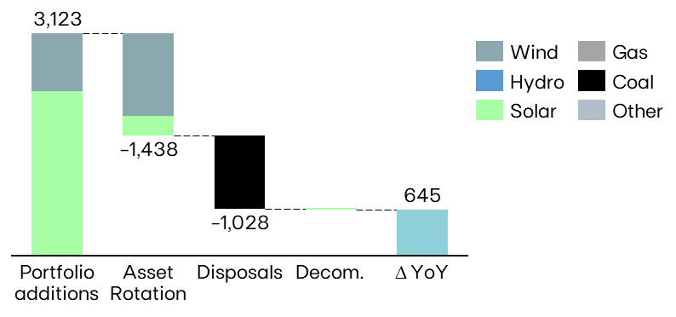
 |  |  |  |  |  |  |  |  |  |  |  |  |  |  |  |  |  |  |  |  |  |  |  |  |  |  |  |  |  |  |  |  |  |  |  |  | Other (4) |  |  |  |  |  |  |  | 17 |  |  | 17 |  |  |  |  |  |  |  |  |  | (1) Includes small-hydro; (2) Cogeneration & Waste |  |  |  |  |  |  |  |  |  |  |  |  | EDP Espírito Santo |  | 1,747 | 1,712 | +35 | +2%
 |  |  |  |  |  |  |  |  |  |  |  |  |  |  |  |  |  |  |  |  |  |  |  |  |  |  |  |  |  |  |  |  |  |  |  |  | EBITDA MW |  |  |  |  |  |  |  | 26,694 |  |  | 26,694 | +0 | - | 3,739
 |  |  |  |  |  |  |  |  |  |  |  |  |  |  |  |  |  |  |  |  |  |  |  |  |  |  |  |  |  |  |  |  |  |  |  |  | Equity MW (5) |  |  |  |  |  |  |  | 2,431 |  |  | 1,786 | +644 | +36% | 729
 |  |  |  |  |  |  |  |  |  |  |  |  |  |  |  |  |  |  |  |  |  |  |  |  |  |  |  |  |  |  |  |  |  |  |  |  | EBITDA + Equity MW |  |  |  |  |  |  |  | 29,125 |  |  | 28,480 | +645 | +2% | 4,468
 |  |  |  |  |  |  |  |  |  |  |  |  |  |  |  |  |  |  |  |  |  |  |  |  |  |  |  |  |  |  |  |  |  |  |  |  | (1) Includes small-hydro; (2) Solar capacity and solar load factors reported in MWac; (3) As-a-service capacity ; (4) Cogeneration; (5) Including attributable MWs in equity-method consolidated associates (mostly in wind offshore, hydro Brazil and wind & solar in Spain/US) and joint operations (Nuclear in Spain), and includes coal minority stakes in Brazil and Spain.
 |  |  |  |  |  |  |  |  |  |  |  |  |  |  |  |  |  |  |  |  |  |  |  |  |  |  |  |  |  |  |  |  |  |  |  |  |  |  |  |  |  |  |  |  |  |  |  |  |  |  |  |  |  |  |  |  |  | ENERGY SUPPLY |  |  |  |  |  |  |  |  |  |  |  | KEY ANNOUNCEMENTS

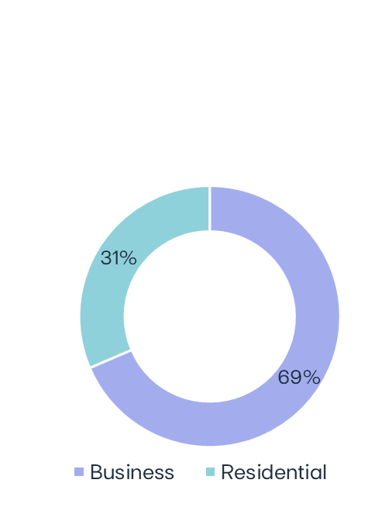
 |  |  |  |  |  |  |  |  |  |  |  |  |  |  |  |  |  |  |  |  |  |  |  |  |  |  |  |  |  |  |  |  |  |  |  |  | ELECTRICITY GENERATION (1) |  |  |  |  |  |  |  |  |  |  |  |  |  |  |  |  |  |  |  |  | Volumes supplied (GWh) |  |  |  |  | No. of Clients (th) |  |  |  | Volumes of electricity supplied in Iberia - Liberalized | 1H24 |  |  |  | 01-apr-2024 | EDP Brasil awarded with 3 lots in Electricity Transmission Auction
 |  |  |  |  |  |  |  |  |  |  |  |  |  |  |  |  |  |  |  |  |  |  |  |  |  |  |  |  |  |  |  |  |  |  |  |  |  |  |  |  |  |  |  |  |  |  |  |  |  |  |  |  |  |  |  |  |  |  | 1H24 | 1H23 | ∆% |  | Jun-24 | Jun-23 |  | ∆% |  |  |  |  | 02-apr-2024 | EDP secures around 100 MW of storage capacity in the US
 |  |  |  |  |  |  |  |  |  |  |  |  |  |  |  |  |  |  |  |  |  |  |  |  |  |  |  |  |  |  |  |  |  |  |  |  | GWh |  |  |  |  |  |  |  | 1H24 |  |  | 1H23 | ∆ | ∆% |  | 2Q24 | 2Q23 | ∆ | ∆% | Electricity Generation | Jun-24 |  |  |  |  |  |  |  |  |  |  |  |  |  |  | 10-apr-2024 | EDP’s Annual General Shareholders’ Meeting Resolutions
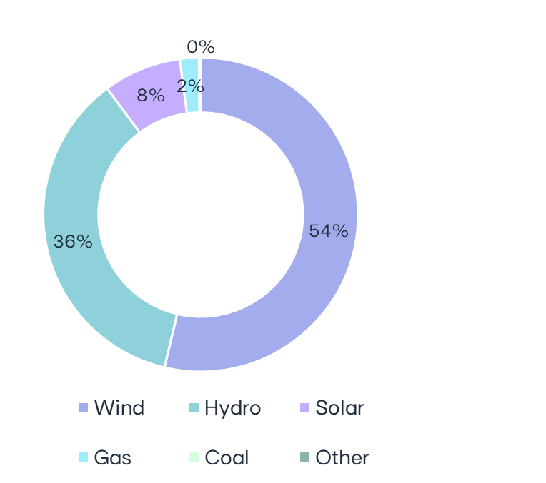
 |  |  |  |  |  |  |  |  |  |  |  |  |  |  |  |  |  |  |  |  |  |  |  |  |  |  |  |  |  |  |  |  |  |  |  |  | Wind |  |  |  |  |  |  |  | 16,597 |  |  | 16,633 | -36 | -0% |  | 7,541 | 7,003 | +538 | +4% |  |  | Electricity Iberia | 13,757 | 15,198 | -9% |  | 4,525 | 4,829 |  | -6% |  |  |  |  | 10-apr-2024 | Payment of dividends – year 2023
 |  |  |  |  |  |  |  |  |  |  |  |  |  |  |  |  |  |  |  |  |  |  |  |  |  |  |  |  |  |  |  |  |  |  |  |  | North America |  |  |  |  |  |  |  | 9,806 |  |  | 8,817 | +989 | +11% |  | 4,674 | 3,851 | +823 | +21% |  |  | Portugal Liberalized | 8,246 | 8,537 | -3% |  | 3,622 | 3,854 |  | -6% |  |  |  |  | 18-apr-2024 | EDP completes asset rotation deal for a 297 MW wind project in Canada
MARKET INDICATORS |  |  |  |  |  |  |  |  |  |  |  |  |  |  |  |  |  |  |  |  |  |  |  |  |  |  |  |  |  |  |  |  |  |  |  |  | Europe |  |  |  |  |  |  |  | 5,768 |  |  | 5,815 | -47 | -1% |  | 2,293 | 2,370 | -77 | -3% |  |  | Portugal Regulated | 1,367 | 1,571 | -13% |  | 884 | 957 |  | -8% |  |  |  |  | 06-may-2024 | Ocean Winds awarded feasibility license to develop up to 1.3 GW of offshore wind in Australia
 |  |  |  |  |  |  |  |  |  |  |  |  |  |  |  |  |  |  |  |  |  |  |  |  |  |  |  |  |  |  |  |  |  |  |  |  | South America & APAC |  |  |  |  |  |  |  | 1,023 |  |  | 2,001 | -979 | -49% |  | 574 | 781 | -207 | -27% |  |  | Spain | 4,144 | 5,090 | -19% |  | 19 | 18 |  | +3% |  |  |  |  | 07-may-2024 | Ocean Winds completes sale of minority stake in its 950 MW Moray East offshore project
 | Iberian market |  |  |  |  |  |  |  |  |  |  |  |  |  |  |  |  |  |  |  |  |  |  |  |  | 1H24 |  |  | 1H23 |  |  | ∆% |  |  |  |  | Hydro |  |  |  |  |  |  |  | 11,176 |  |  | 7,177 | +3,999 | +56% |  | 4,202 | 2,080 | +2,122 | +102% |  |  |  |  |  |  |  |  |  |  |  |  | 12.4 TWh |  |  | 21-may-2024 | EDP prices EUR 750 million subordinated green notes
 | Average electricity spot price - Spain |  |  |  |  |  |  |  |  |  |  |  |  |  |  |  | €/MWh |  |  |  |  |  |  |  |  | 39.1 |  |  | 88.3 |  |  | -56% |  |  |  |  | Iberia(2) |  |  |  |  |  |  |  | 7,782 |  |  | 4,709 | +3,074 | +65% |  | 2,908 | 1,146 | +1,762 | +154% |  | 30.9 TWh |  |  |  |  |  |  |  |  |  |  |  |  |  | 11-jun-2024 | Long-Term contract secured for 75 MW of Storage in Canada
 | Hydro coefficient - Portugal |  |  |  |  |  |  |  |  |  |  |  |  |  |  |  | 1.0 = avg. Year |  |  |  |  |  |  |  |  | 1.40 |  |  | 0.79 |  |  | 77% |  |  |  |  | Brazil |  |  |  |  |  |  |  | 3,394 |  |  | 2,468 | +926 | +38% |  | 1,293 | 934 | +360 | +39% |  |  | Gas Iberia | 2,577 | 2,886 | -11% |  | 576 | 609 |  | -5% |  |  |  |  | 17-jun-2024 | Completion of CEM Macau disposal
 | Hydro coefficient - Spain |  |  |  |  |  |  |  |  |  |  |  |  |  |  |  | 1.0 = avg. Year |  |  |  |  |  |  |  |  | 1.30 |  |  | 0.70 |  |  | 86% |  |  |  |  | Solar |  |  |  |  |  |  |  | 2,473 |  |  | 1,462 | +1,011 | +69% |  | 1,531 | 798 | +734 | +92% |  |  | Portugal Liberalized | 958 | 1,256 | -24% |  | 464 | 493 |  | -6% |  |  |  |  | 24-jun-2024 | EDP informs on the publication of the decree to extend electricity distribution concessions in Brazil
98% Renewables
 | Brazilian market |  |  |  |  |  |  |  |  |  |  |  |  |  |  |  |  |  |  |  |  |  |  |  |  |  |  |  |  |  |  |  |  |  |  |  | North America |  |  |  |  |  |  |  | 960 |  |  | 504 | +455 | +90% |  | 693 | 295 | +398 | +135% |  |  | Portugal Regulated | 302 | 258 | +17% |  | 109 | 106 |  | +3% |  |  |  |  | 25-jun-2024 | EDP secures 133 MW of solar capacity in Europe
 | Average spot price (PLD) |  |  |  |  |  |  |  |  |  |  |  |  |  |  |  | R$/MWh |  |  |  |  |  |  |  |  | 62 |  |  | 69 |  |  | -10% |  |  |  |  | Europe |  |  |  |  |  |  |  | 424 |  |  | 121 | +303 | +250% |  | 282 | 73 | +209 | +285% |  |  | Spain | 1,317 | 1,372 | -4% |  | 3 | 3 |  | -16% |  |  |  |  | 26-jun-2024 | EDP sells Portuguese tariff adjustment for €100 million
 | Generation Scalling Factor (GSF) (1) |  |  |  |  |  |  |  |  |  |  |  |  |  |  |  | % |  |  |  |  |  |  |  |  | 95% |  |  | 98% |  |  | -3% |  |  |  |  | South America & APAC |  |  |  |  |  |  |  | 1,089 |  |  | 836 | +253 | +30% |  | 557 | 429 | +127 |  |  |  |  |  |  |  |  |  |  |  |  |  |  |  |  | 29-jun-2024 | EDP signs Asset Rotation deal for a 191 MW renewables portfolio in Italy
 | Exchange rates |  |  |  |  |  |  |  |  |  |  |  |  |  |  |  |  |  |  |  |  |  |  |  |  |  |  |  |  |  |  |  |  |  |  |  | Gas Iberia |  |  |  |  |  |  |  | 607 |  |  | 2,137 | -1,530 | -72% |  | 219 | 905 | -686 | -76%
 | EUR/USD |  |  |  | - | Average |  |  |  |  |  |  |  |  |  |  |  |  |  |  |  |  |  |  |  | 1.08 |  |  | 1.08 |  |  | -0% |  |  |  |  | Coal |  |  |  |  |  |  |  | 36 |  |  | 1,643 | -1,607 | -98% |  | -6 | 736 | -742 | -101%
 | EUR/BRL |  |  |  | - | Average |  |  |  |  |  |  |  |  |  |  |  |  |  |  |  |  |  |  |  | 5.49 |  |  | 5.48 |  |  | -0% |  |  |  |  | Iberia |  |  |  |  |  |  |  | 36 |  |  | 1,643 | -1,607 | -98% |  | -6 | 736 | -742 | -101% |  |  | 1H24 RESULTS RELEASE
 | EUR/USD |  |  |  | - | End of period |  |  |  |  |  |  |  |  |  |  |  |  |  |  |  |  |  |  |  | 1.07 |  |  | 1.09 |  |  | +2% |  |  |  |  | Brazil |  |  |  |  |  |  |  | 0 |  |  | 0 | - |  |  | 0 | 0 | -
 | EUR/BRL |  |  |  | - | End of period |  |  |  |  |  |  |  |  |  |  |  |  |  |  |  |  |  |  |  | 5.89 |  |  | 5.28 |  |  | -10% |  |  |  |  | Other (3) |  |  |  |  |  |  |  | 18 |  |  | 68 | -49 | -73% |  | 7 | 36 | -29 | -81% |  |  | EDP's 1H24 results will be released on July 30th, 2024. A conference call will be hosted by EDP's CEO, Mr. Miguel Stilwell d'Andrade and EDP's CFO, Mr. Rui Teixeira, on that day at 17:00 GMT. More information will be available on www.edp.com.
 | (1) Weighted average |  |  |  |  |  |  |  |  |  |  |  |  |  |  |  |  |  |  |  |  |  |  |  |  |  |  |  |  |  |  |  |  |  |  |  | Total |  |  |  |  |  |  |  | 30,906 |  |  | 29,119 | 1,787 | 6% |  | 13,493 | 11,556 | 1,937 | 17%
 |  |  |  |  |  |  |  |  |  |  |  |  |  |  |  |  |  |  |  |  |  |  |  |  |  |  |  |  |  |  |  |  |  |  |  |  | (1) Includes generation assets with controlling stakes, excludes equity MWs; (2) Includes small-hydro; (3) Cogeneration & Waste

